Лист1
Farg‘ona politexnika institutiga yaqin bo'lgan hududda joyjashgan yangi topilgan ijara xonadonlari to‘g‘risida ma’lumot
№ |  |  |  | 1 kishi uchun ijara narxi | Ijara manzili geolokatsiyasi | QR-code
 | Ijarachi FISH va telefon raqami | Ijara manzili (Shahar nomi, MFY, ko'cha, uy raqami) | Talaba qamrovi
 | 1 | 2 | 3 | 4 | 5
1 | Yuldashev G'anijon 90 232 38 68 | Farg'ona shahar, Juydam MFY, Mirishkor ko'chasi 10-uy | 5 | 350,000 | 40.41693346551773, 71.7759201883782 | 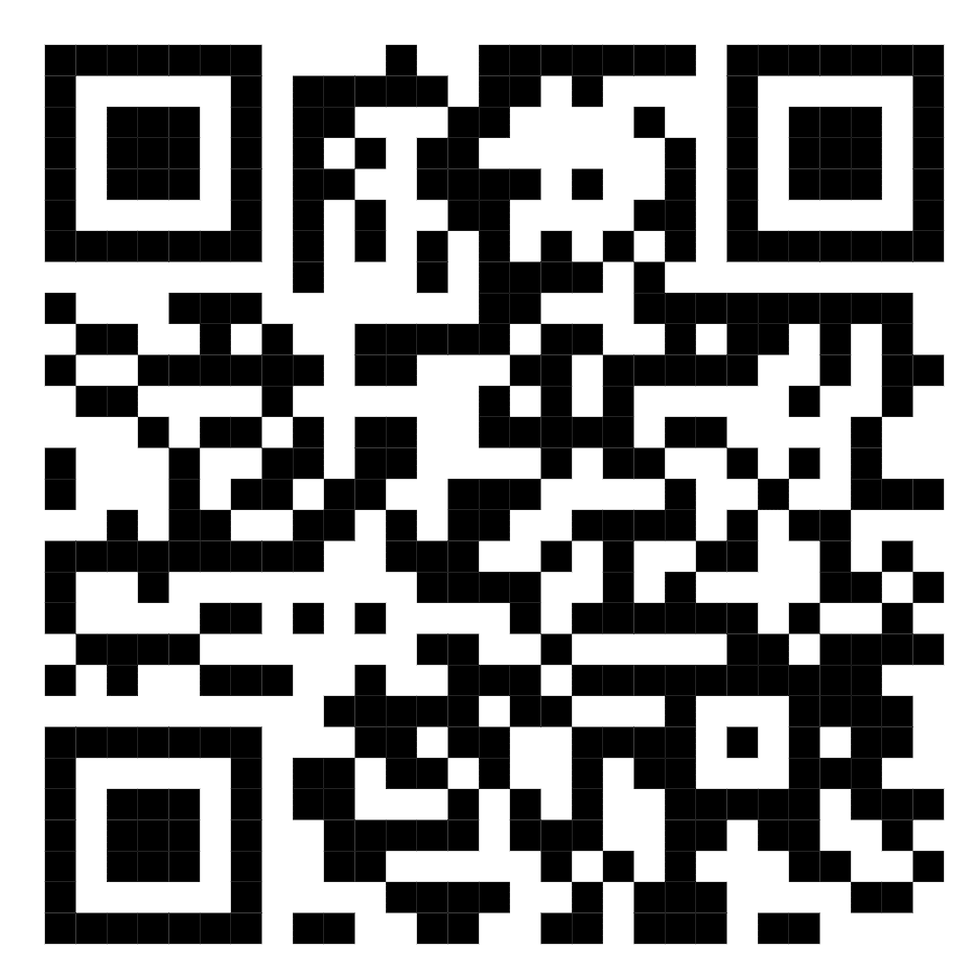
2 | Maqsudov Maqsudjon 91 049 14 14 | Farg'ona shahar, Yangi asr MFY,Yangi asr ko'chasi 31/11 | 4 | 350,000 | 40.4307517445665, 71.75766304551104 | 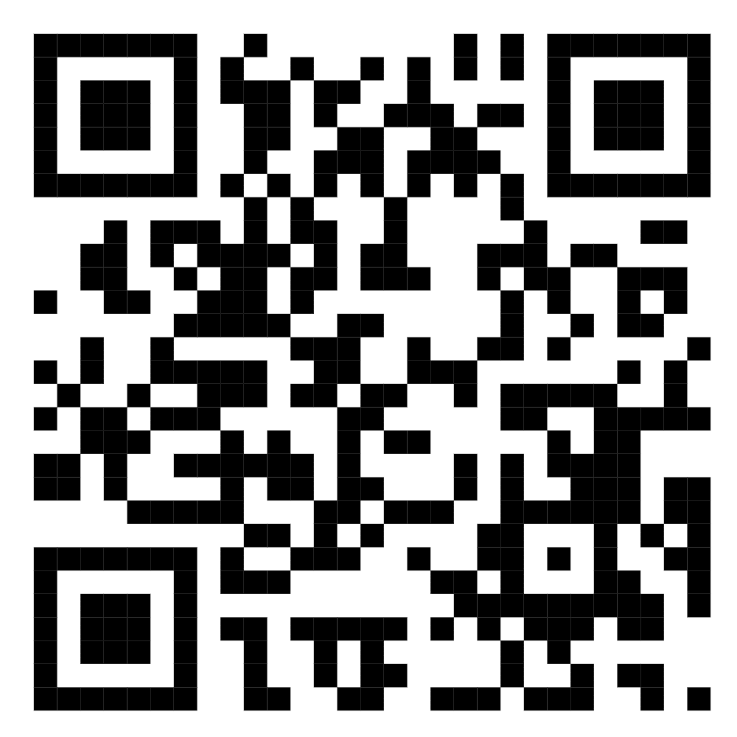
3 | Qaxxorova Mavjudaxon 99374 63 06 | Farg'ona shahar, Tabassum MFY Tinchlik 31/17 | 4 | 350,000 | 40.4497773050089, 71.76032500869583 | 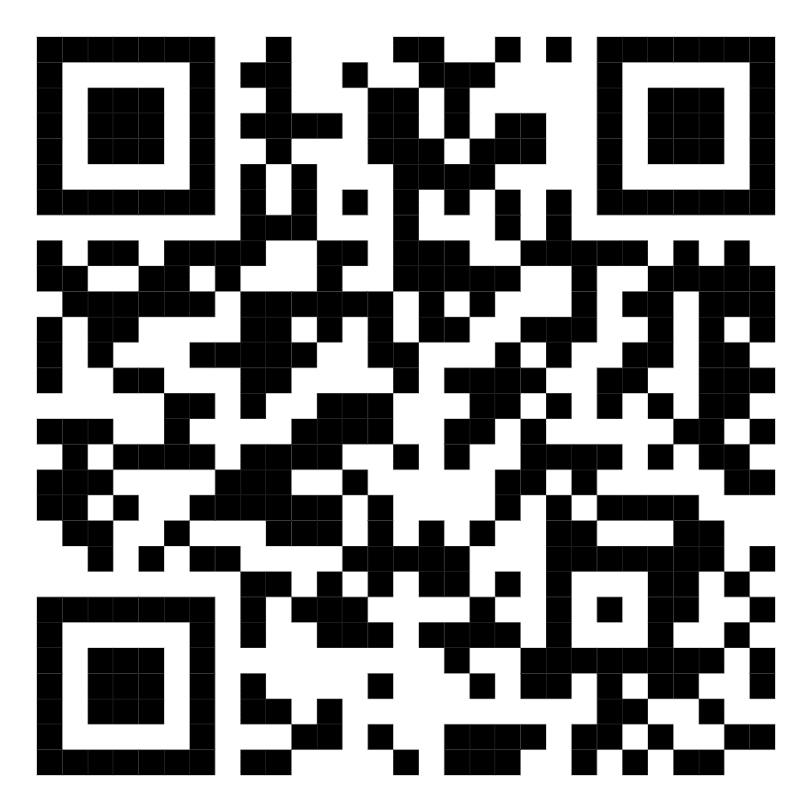
4 | Xolmatov Jaxongir 972200272 | Farg'ona shahar, Tabassum MFY Tinchlik 31/14 | 4 | 350,000 | 40.4497773050089, 71.76032500869583 | 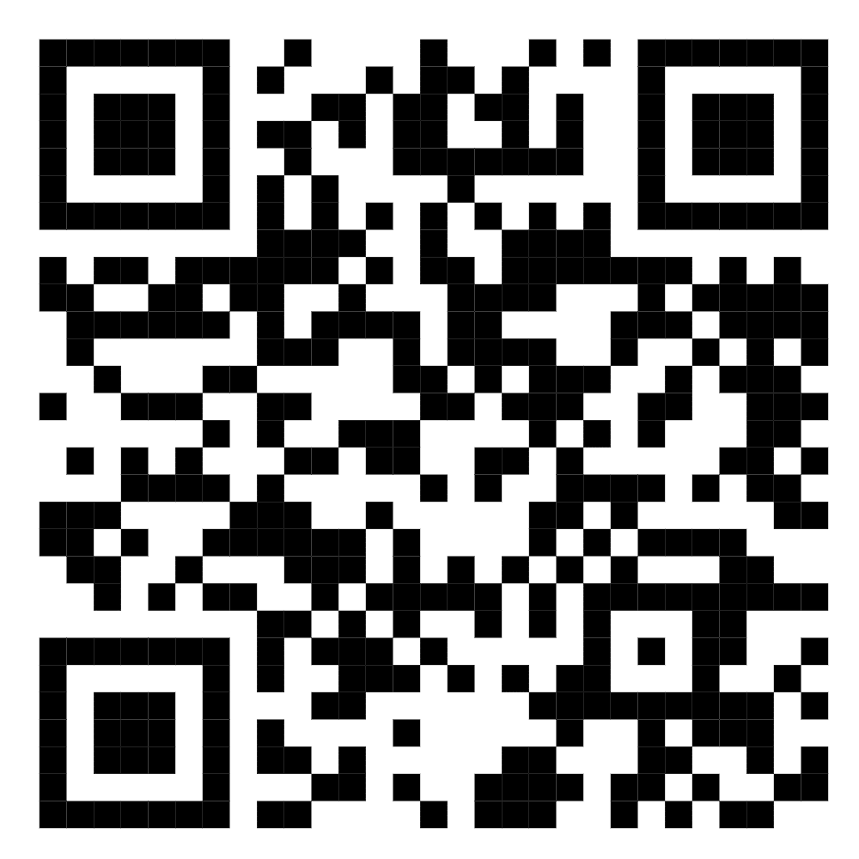
5 | Qaxxorova Mavjudaxon 99374 63 06 | Farg'ona shahar, Tabassum MFY Tinchlik 31/27 | 4 | 350,000 | 40.4497773050089, 71.76032500869583
6 | Qaxxorova Mavjudaxon 99374 63 06 | Farg'ona shahar, Tabassum MFY Tinchlik 31/28 | 4 | 350,000 | 40.4497773050089, 71.76032500869583
7 | Otaboyev Abdujalil Boburjon o‘g‘li +998907828887 | Farg‘ona shahar Sanoat ko‘chasi 214-uy | 150 | 350,000 | https://maps.google.com/maps?q=40.423861,71.782453&ll=40.423861,71.782453&z=16 | 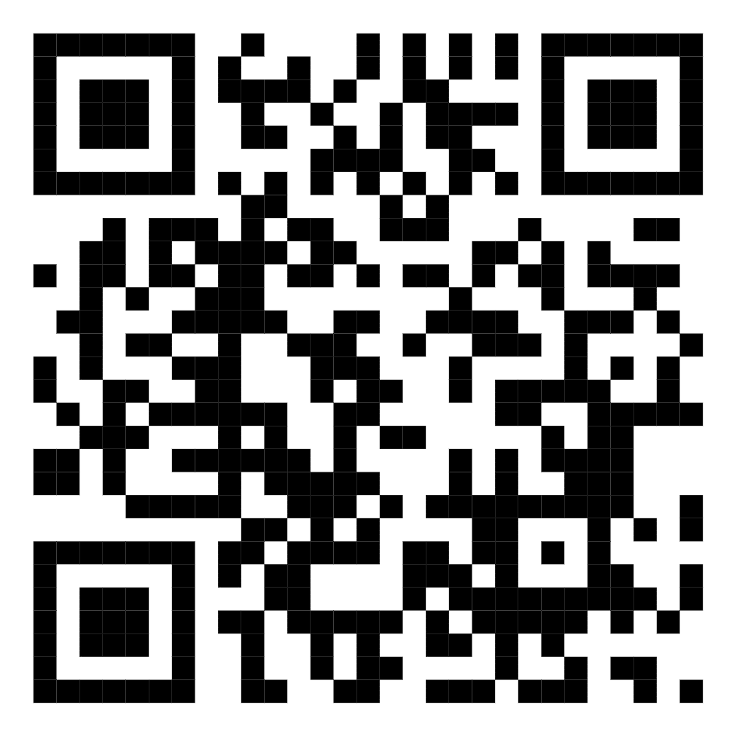
8 | Ergasheva Mamlakat +998903692115 | Farg'ona shahar Beruniy MFY Zamondosh koʻchasi 10-uy 10-xonadon | 4 | 350,000 | https://maps.google.com/maps?q=40.441537,71.761785&ll=40.441537,71.761785&z=16 | 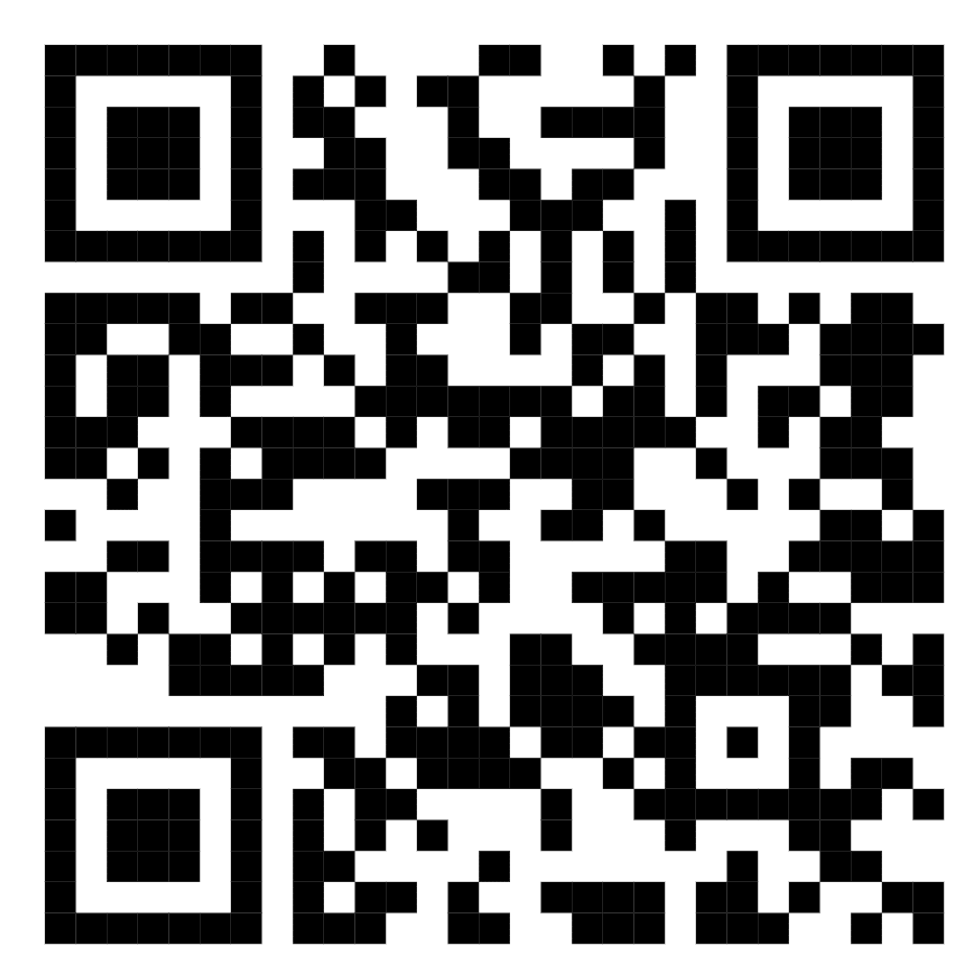
9 | Xalilova Nilufar +998916636426 | Farg'ona shahar Muruvvat MFY Farg'ona ko'chasi 47-uy 31-xonadon | 4 | 370,000 | https://maps.app.goo.gl/sPnCepvPFr3GD2em8?g_st=it | 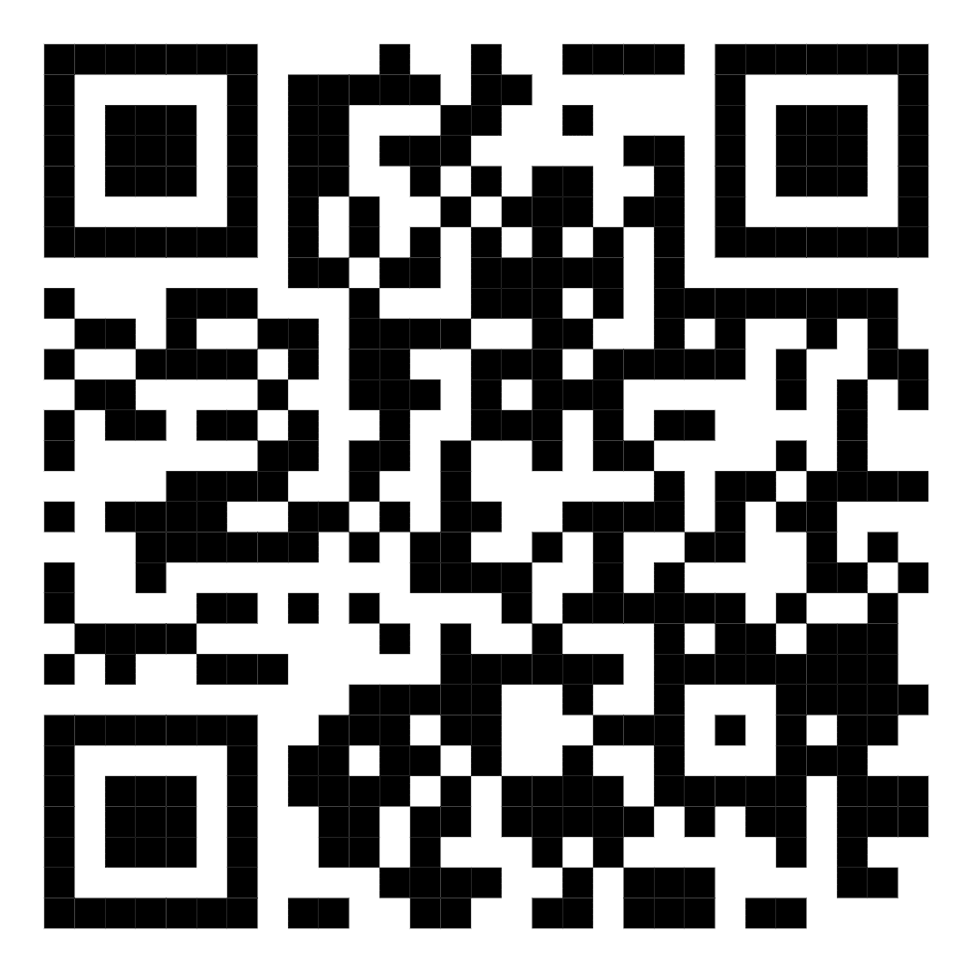
10 | Nurmatov Elmurod Mirzaaliyevich 91 119-21-19 | Farg'ona shahar, "Muruvvat MFY, Farg'ona ko'chasi 59B-uy 29-xonadon | 6 | 350,000 | https://maps.google.com/maps?q=40.421917,71.774885&ll=40.421917,71.774885&z=16 | 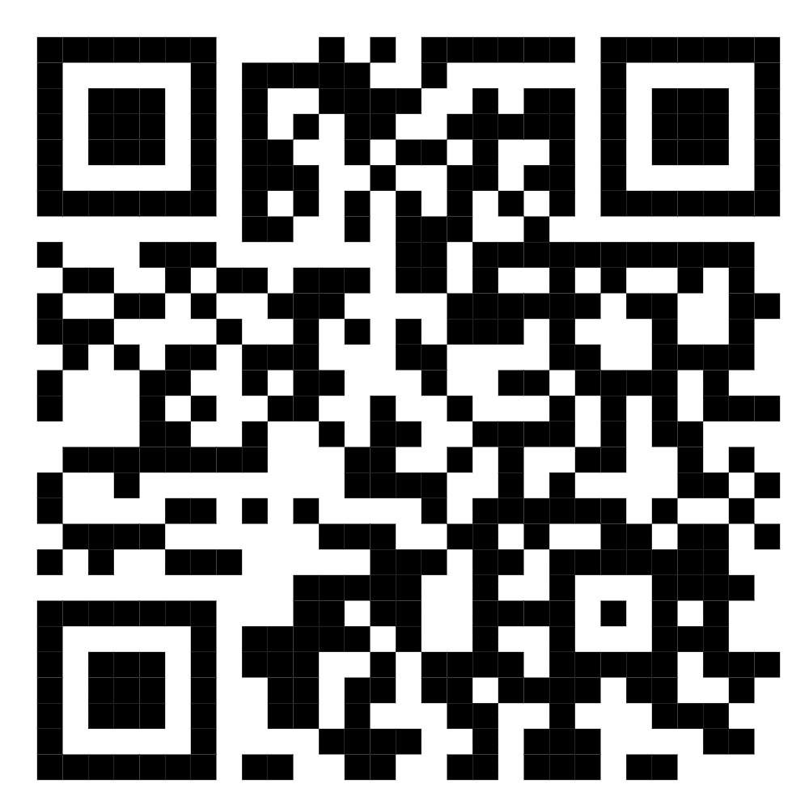
11 | Raximova Feruzaxon Ismailovna 91 158-90-36 | Farg'ona shahar, "Muruvvat MFY, Farg'ona ko'chasi 55-uy 10-xonadon | 6 | 350,000 | https://maps.google.com/maps?q=40.423173,71.774031&ll=40.423173,71.774031&z=16 | 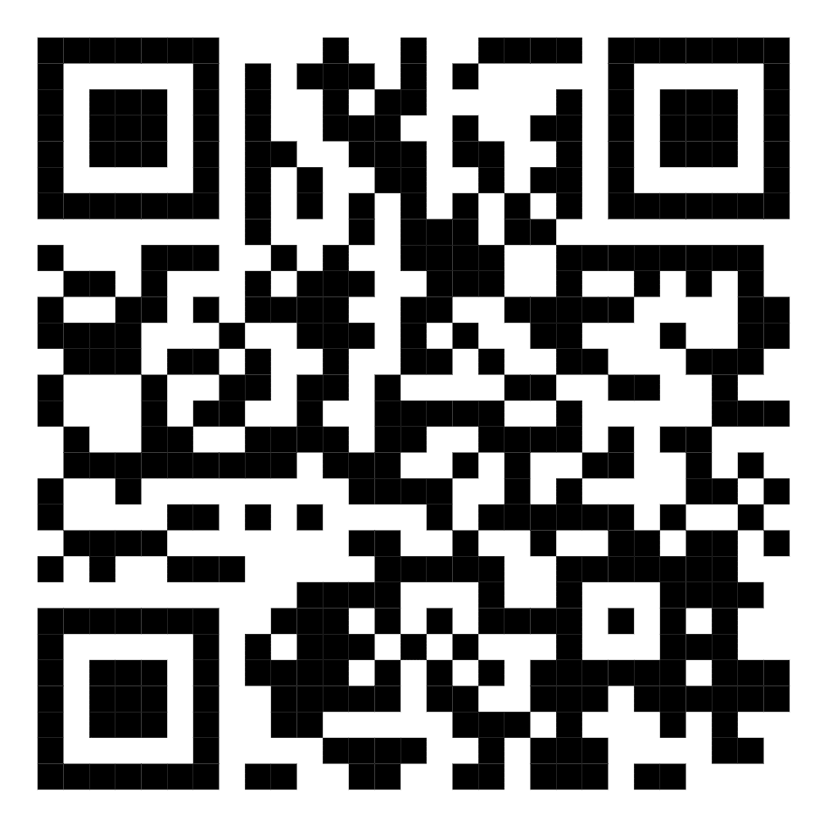
12 | Sultonov Iqboljon Nomonovich 90 303-22-21 | Farg'ona shahar, "Mehribonlik MFY, Yangi Asr ko'chasi 18A-uy 83-xonadon | 6 | 350,000 | https://maps.google.com/maps?q=40.376385,71.780843&ll=40.376385,71.780843&z=16 | 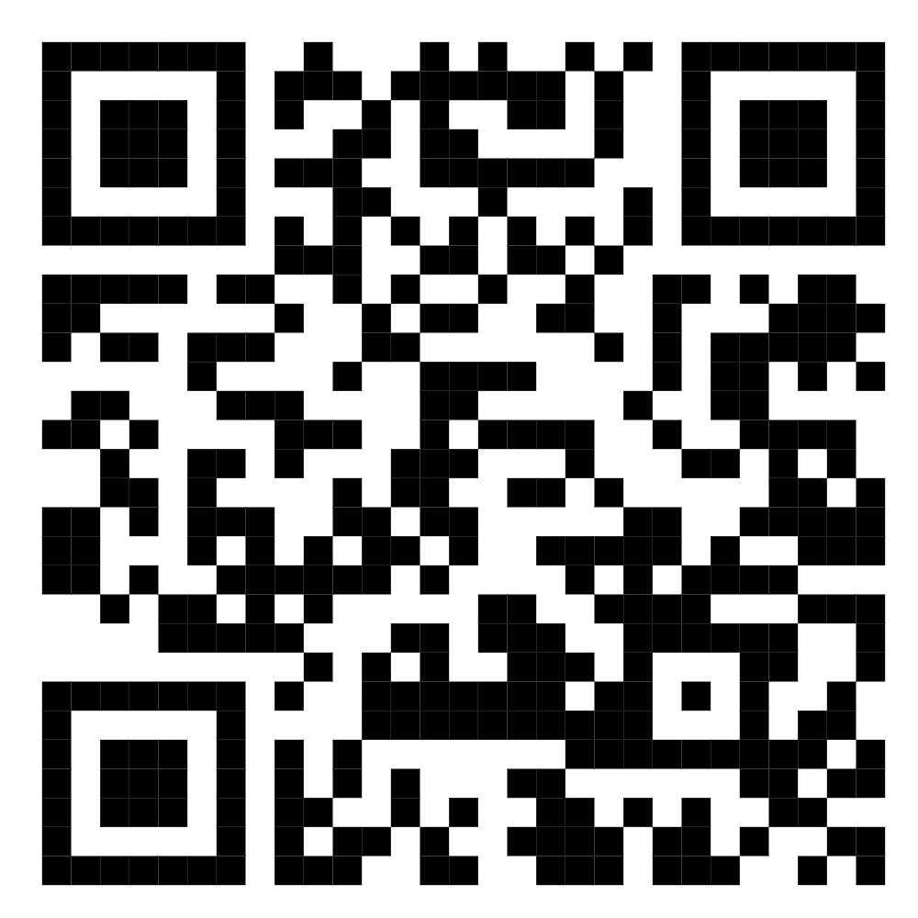
13 | Raximova Xosiyatxon O‘ktamjon qizi 93 735-00-26 | Farg'ona shahar, "Ibn Sino MFY, Yangi Asr ko'chasi 166-uy 53-xonadon | 4 | 350,000 | https://maps.google.com/maps?q=40.434696,71.757675&ll=40.434696,71.757675&z=16 | 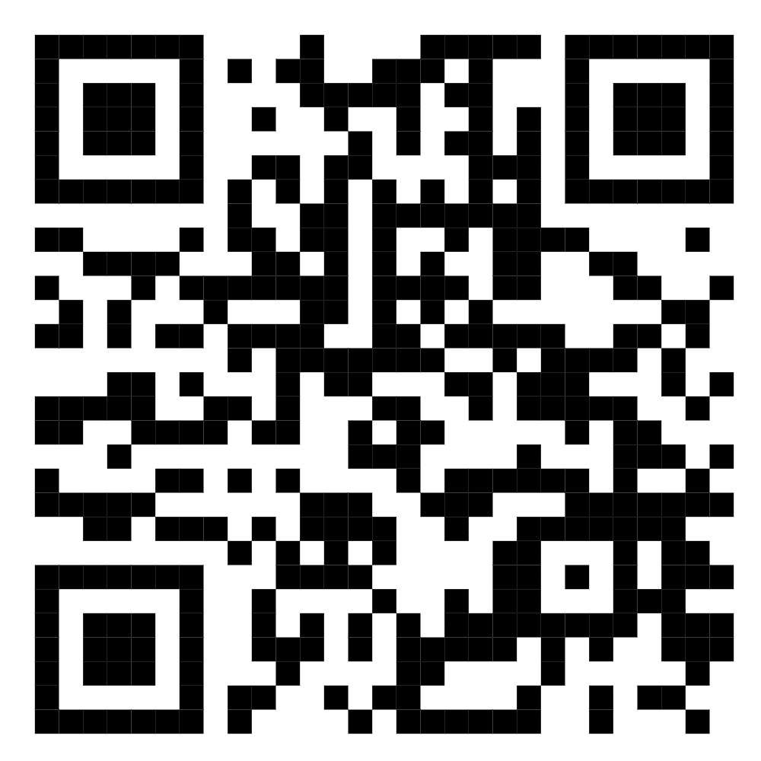
14 | Maxmudov Asrorxon Rustamxonovich 99 364-94-91 | Farg'ona shahar, "Kimyogar MFY, So‘lim ko'chasi 11-4-uy 55-xonadon | 4 | 350,000 | https://maps.google.com/maps?q=40.429914,71.761957&ll=40.429914,71.761957&z=16 | 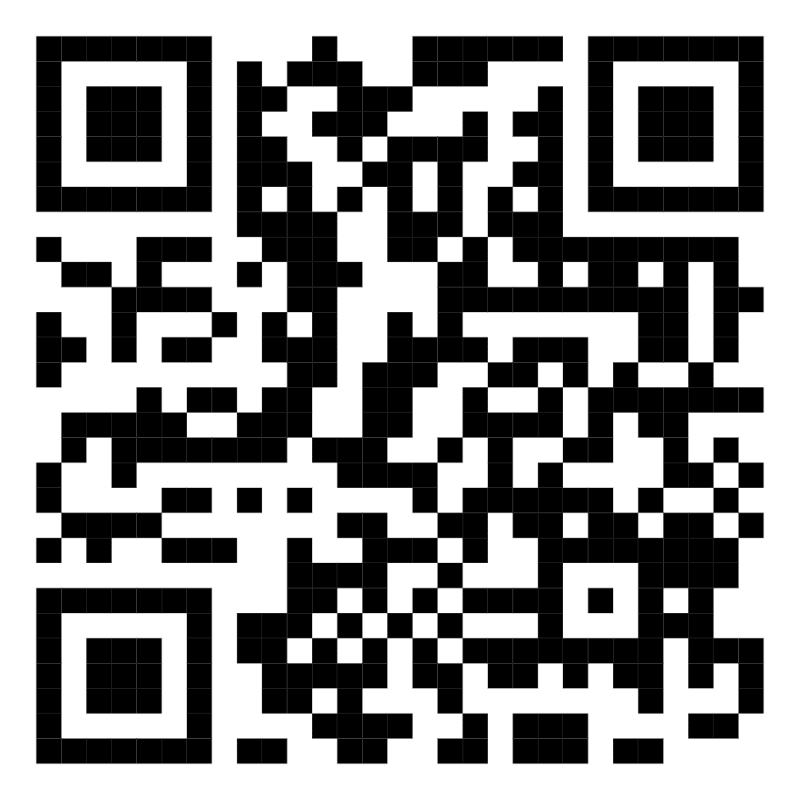
15 | Po‘latova Yodgoraxon Shuhratjonovna 91 127-30-15 | Farg'ona shahar, "Mehribonlik MFY, Yangi Asr ko'chasi 23B-uy 41-xonadon | 4 | 350,000 | https://maps.google.com/maps?q=40.430029,71.764119&ll=40.430029,71.764119&z=16 | 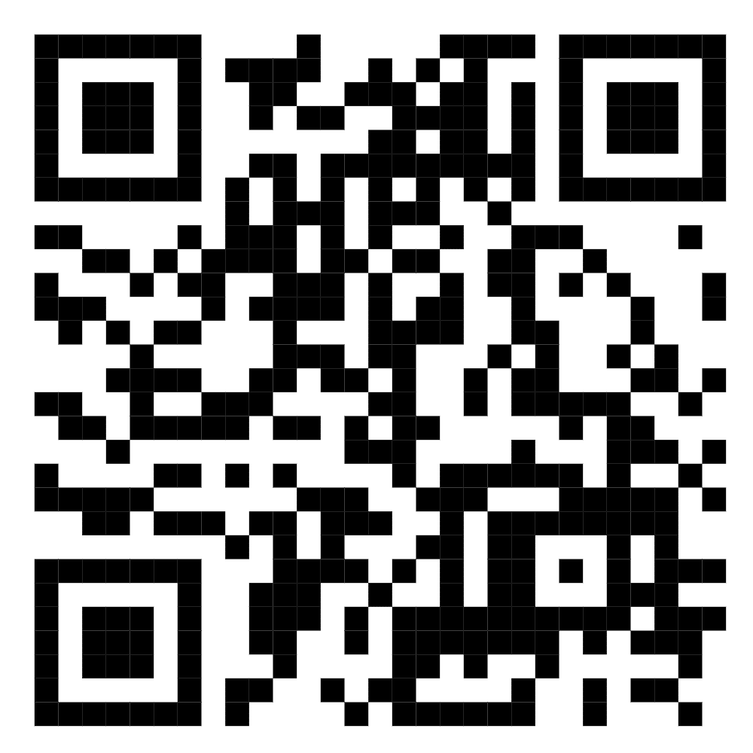
16 | To‘raxo‘jayeva Maqsudaxon Nabiyevna 91 672-22-94 | Farg'ona shahar, "Kimyogar MFY, So‘lim ko'chasi 19-1-uy 19-xonadon | 4 | 350,000 | https://maps.google.com/maps?q=40.430213,71.764662&ll=40.430213,71.764662&z=16 | 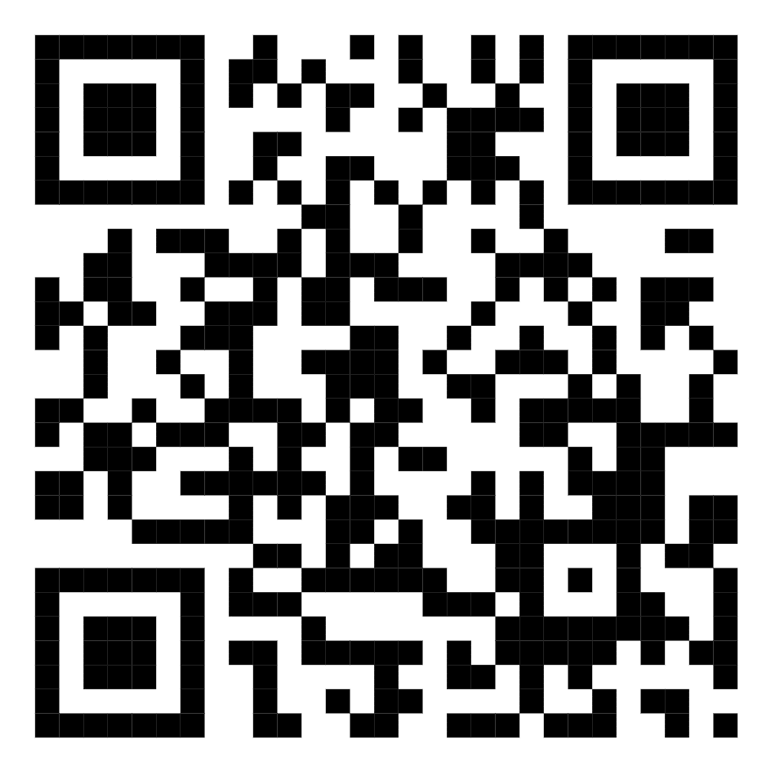
17 | To‘raxo‘jayeva Maqsudaxon Nabiyevna 91 672-22-94 | Farg'ona shahar, "Kimyogar MFY, So‘lim ko'chasi 19-1-uy 22-xonadon | 4 | 350,000 | https://maps.google.com/maps?q=40.430213,71.764662&ll=40.430213,71.764662&z=16 | 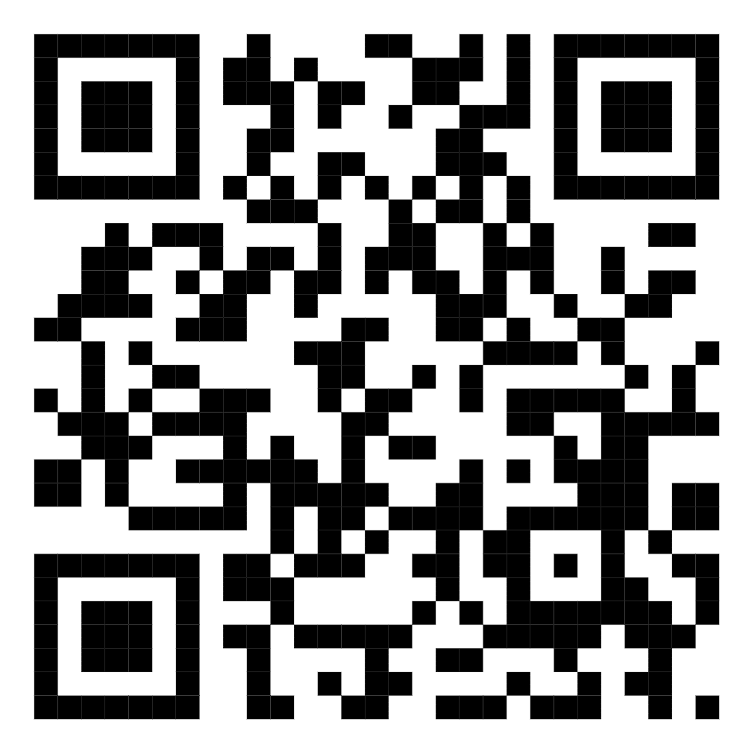
18 | Nishonov Yorqinjon +99891 126 54 69 | Farg'ona shahar, "Jo'ydam MFY, Anorzor ko'chasi 59-uy | 21 | 350,000 | https://maps.app.goo.gl/VnzRb5V8GRcAYMPf7 | 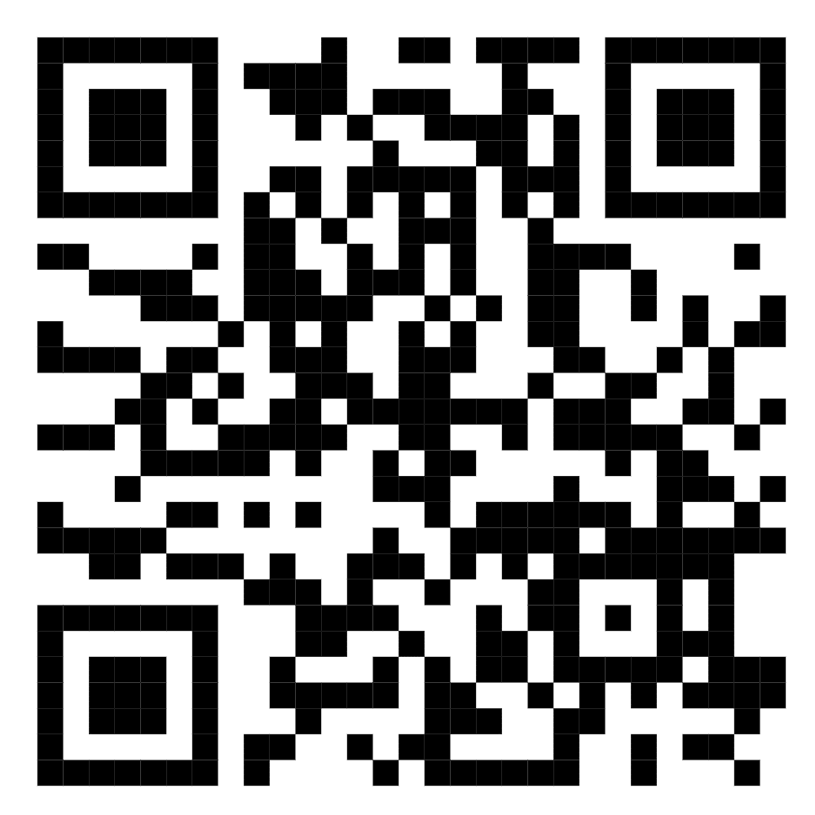
19 | Mullayev Axrorbek +99891 129 29 57 | Farg'ona shahar, "Yulduz MFY, Yangi asr ko'chasi 116-uy 41 xonadon | 8 | 350,000 | https://maps.app.goo.gl/YfQLE7VX3wu4rbjD7 | 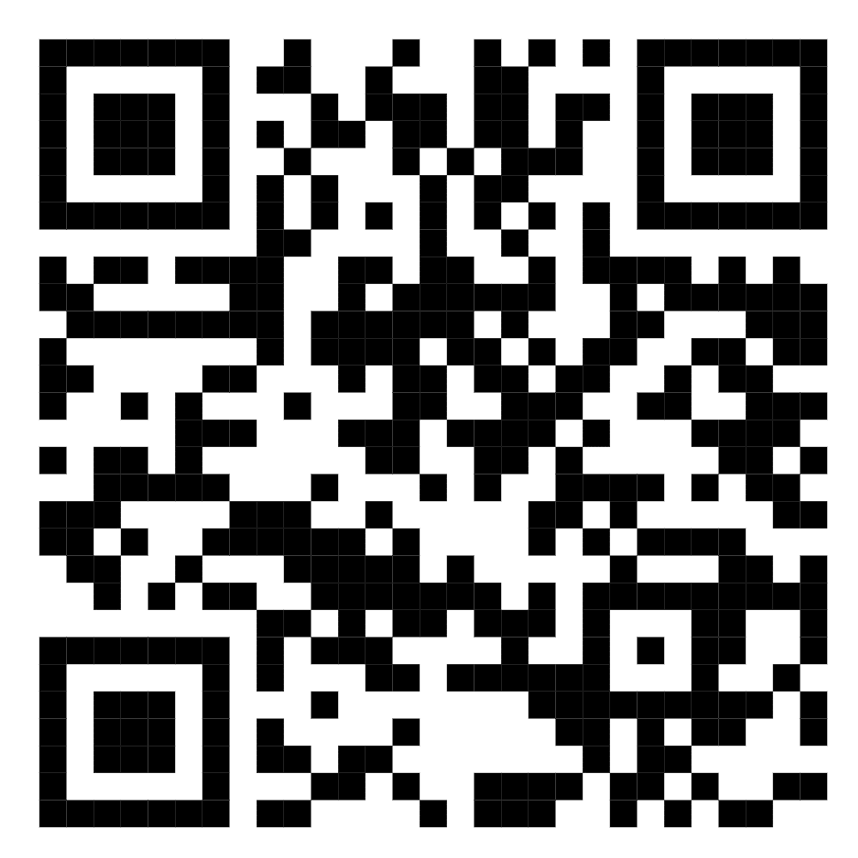
20 | Ergasheva Gulnoza +99891 102 28 82 | Farg'ona shahar, "Yulduz MFY, Yangi asr ko'chasi 116-uy 41 xonadon | 6 | 350,000 | https://maps.app.goo.gl/YfQLE7VX3wu4rbjD7 | 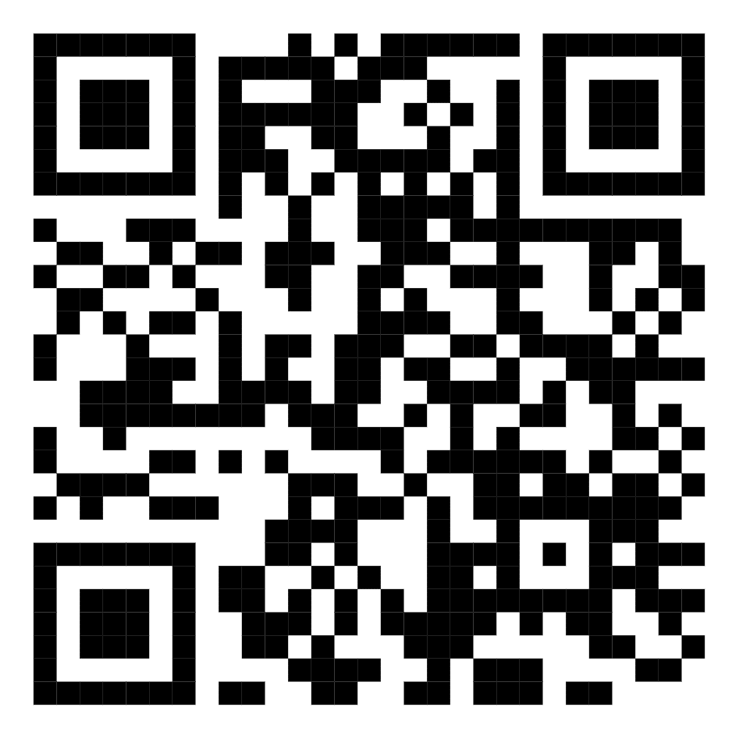
21 | Razzoqova Muazzam 902772160 | Farg'ona shahar, Madaniyat MFY,Farg'ona ko'chasi 54/42 | 4 | 350,000 | 40.43048720552533, 71.77017507970822 | 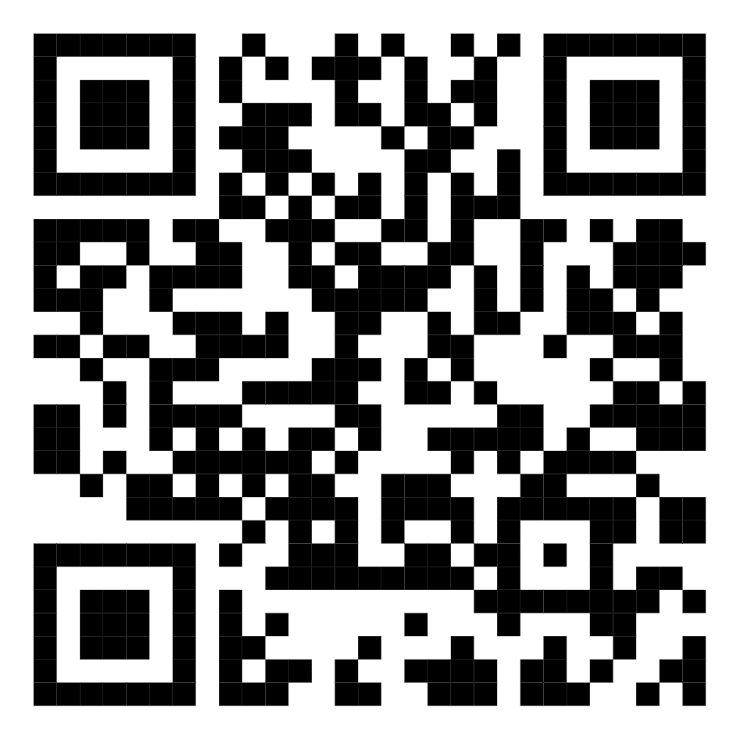
22 | Raximova Muazzam 916579236 | Farg'ona shahar, Madaniyat MFY,Farg'ona ko'chasi 35/6 | 4 | 350,000 | 40.43048720552533, 71.77017507970822
23 | Xusanova Manzura +99891 130 49 60 | Farg'ona shahar Bobur MFY A.Qodiriy ko'chasi 34-uy 54-xonadon | 3 | 350,000 | https://maps.google.com/maps?q=40.354917,71.849642&ll=40.354917,71.849642&z=16 | 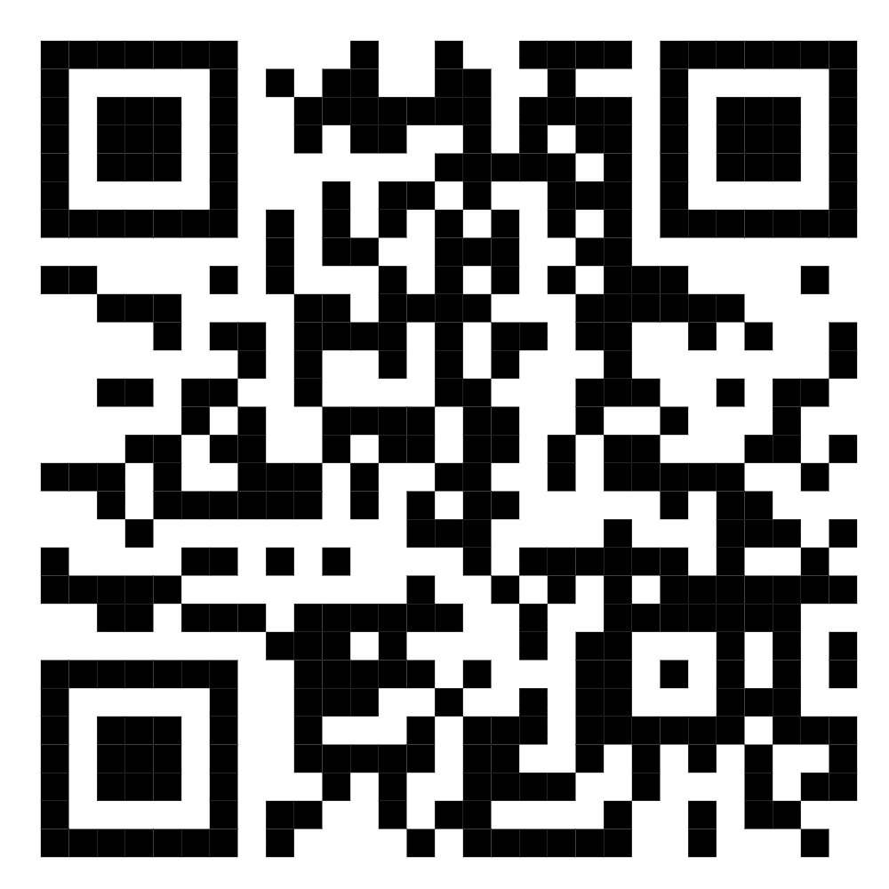
24 | Safarjonov Hurshid +99899 006 59 65 | Farg'ona shahar Bobur MFY A.Qodiriy ko'chasi 10-uy 3-xonadon | 2 | 350,000 | https://maps.google.com/maps?q=40.354917,71.849642&ll=40.354917,71.849642&z=16 | 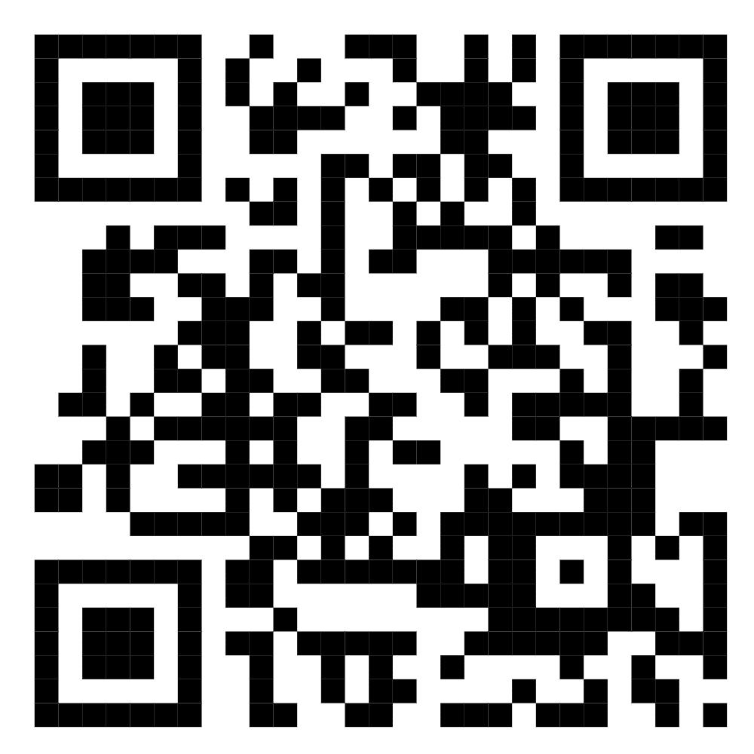
25 | AbdullayevBaxtiyor 91328186 | Farg'ona shahar, Sovur buloq MFY, Sanoat 203 uy | 4 | 350,000 | 40.40397532989084, 71.78704828340062 | 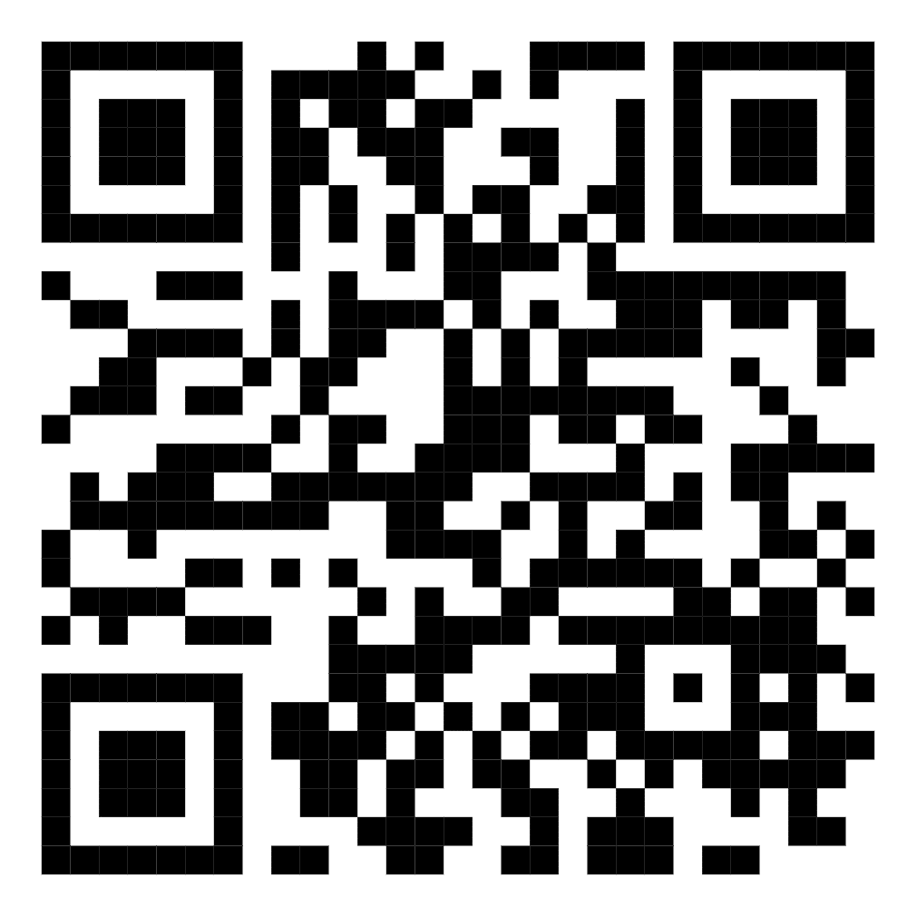
26 | Teshaboyeva Muxtasar 901605191 | Farg'ona shahar, Bahor MFY, Sanoat ko'chasi 115 uy | 4 | 350,000 | 40.40070513697448, 71.78656468581202 | 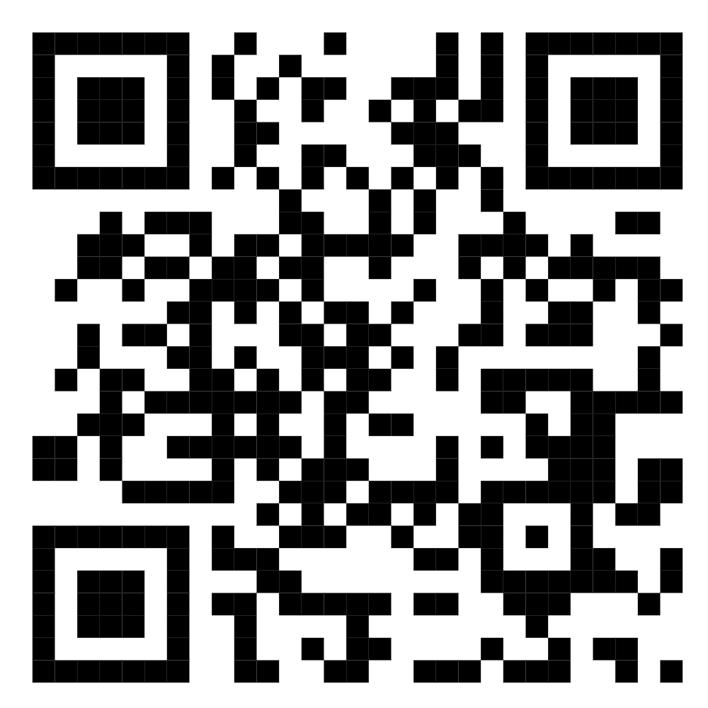
27 | Topganov Murodali 978115020 | Farg'ona shahar Muruvvat MFY Farg'ona ko'chasi 59b/24 | 6 | 350,000 | https://maps.app.goo.gl/Ro9jKBqBQU5KYCmLA | 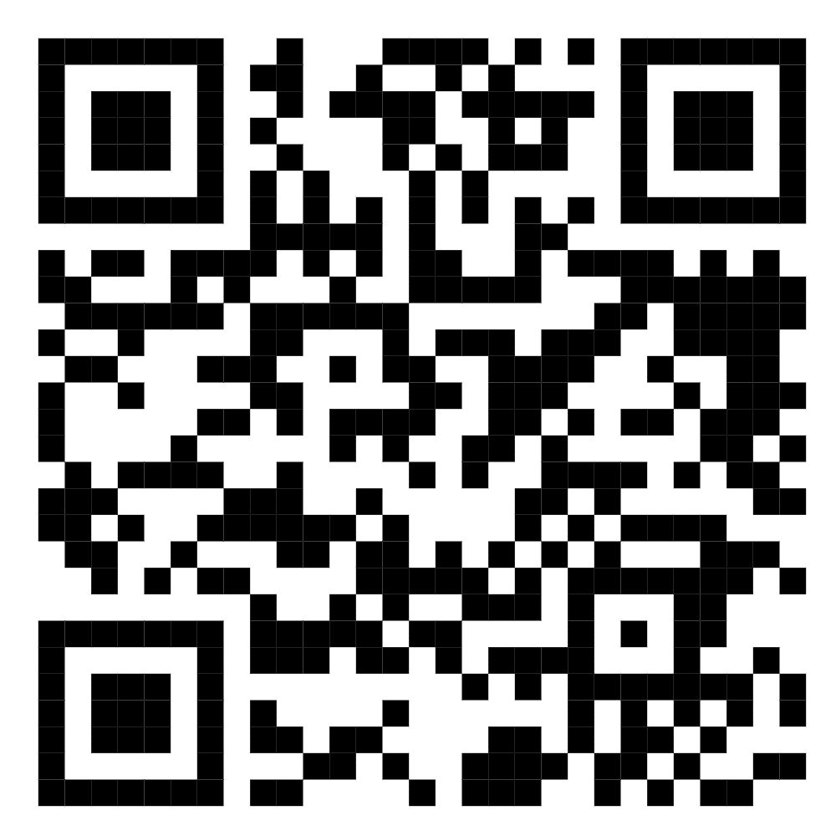
28 | Sherzodbek Po'latov 91-112-21-00 | Farg'ona shahar Muruvvat MFY Farg'ona ko'chasi 59b/24 | 6 | 350,000 | https://maps.app.goo.gl/Ro9jKBqBQU5KYCmLA | 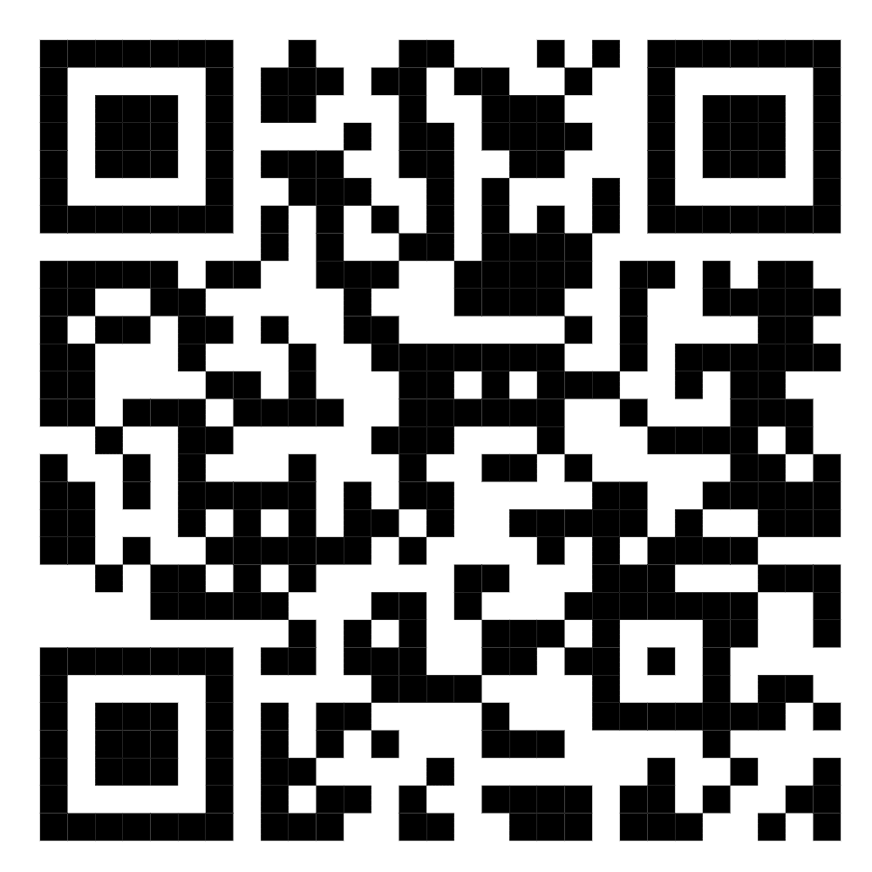
29 | G'ayratov Jasur +99893 975 02 05 | Farg'ona shahar Muruvvat MFY Farg'ona ko'chasi 55-uy 29-xonodon | 5 | 350,000 | https://maps.app.goo.gl/dX4XLY9zsTVDYCwo6 | 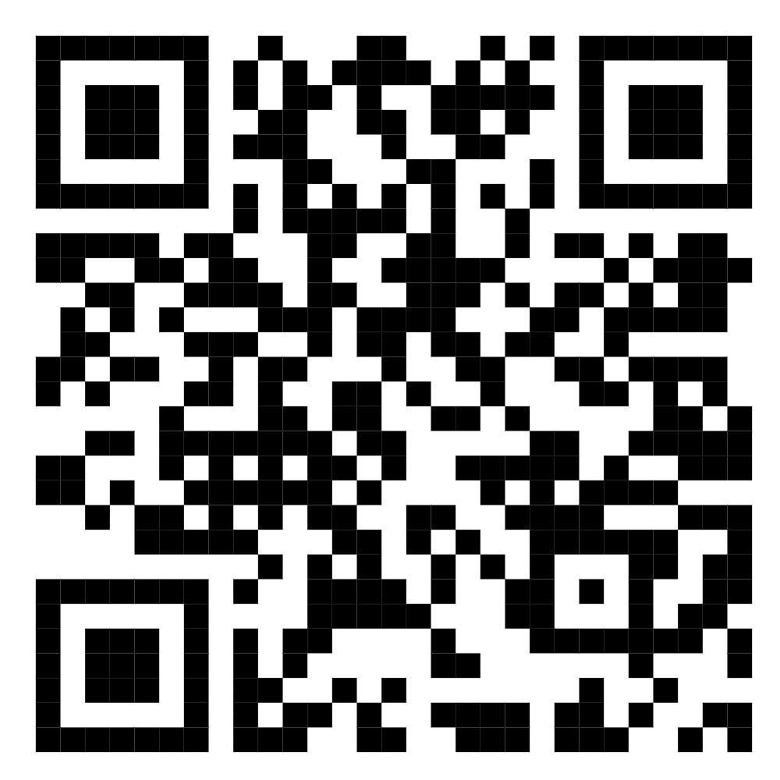
30 | G'ayratov Jasur +99893 975 02 05 | Farg'ona shahar Muruvvat MFY Farg'ona ko'chasi 55\6 | 6 | 350,000 | https://maps.app.goo.gl/dX4XLY9zsTVDYCwo7 | 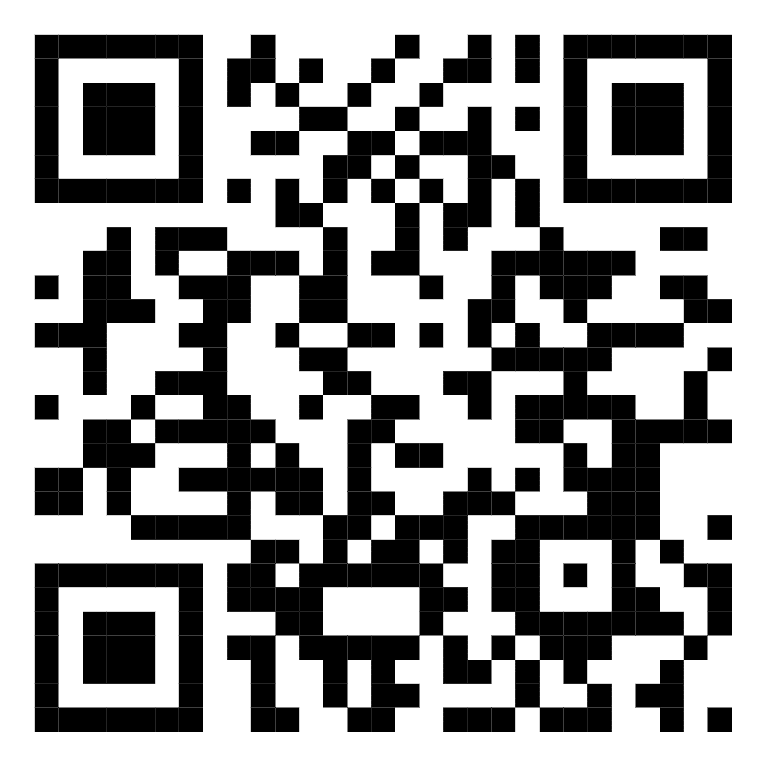
31 | Usmonov Mavlon +99890 845 54 88 | Farg'ona shahar Muruvvat MFY Farg'ona ko'chasi 51\6 | 6 | 350,000 | https://maps.google.com/maps?q=40.424415,71.772933&ll=40.424415,71.772933&z=16 | 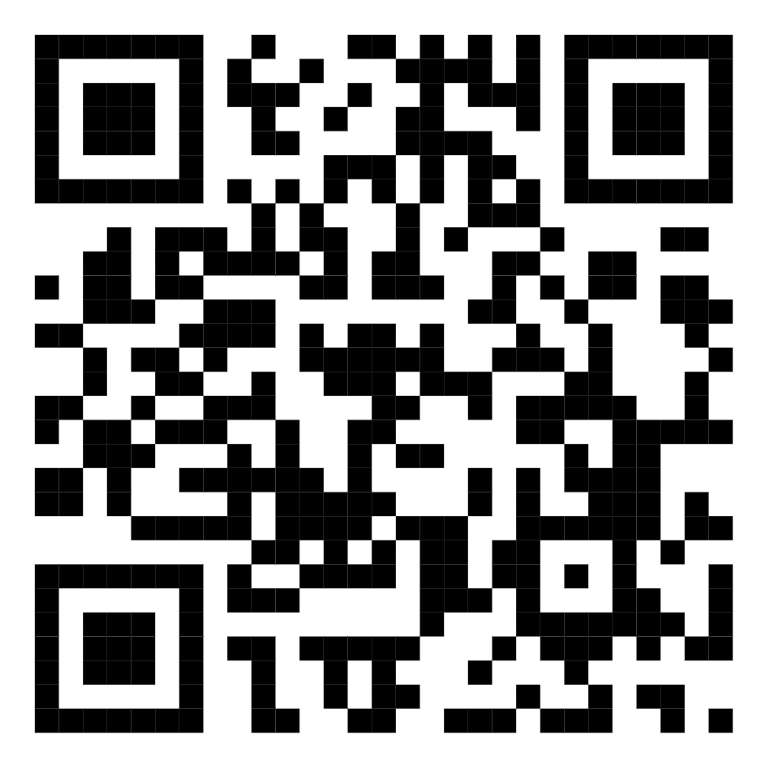
32 | Maqsitaliyev Barxayot +998990 537 75 53 | Farg'ona shahar Muruvvat MFY Farg'ona ko'chasi 55A\21 | 6 | 350,000 | https://maps.google.com/maps?q=40.423101,71.774124&ll=40.423101,71.774124&z=16 | 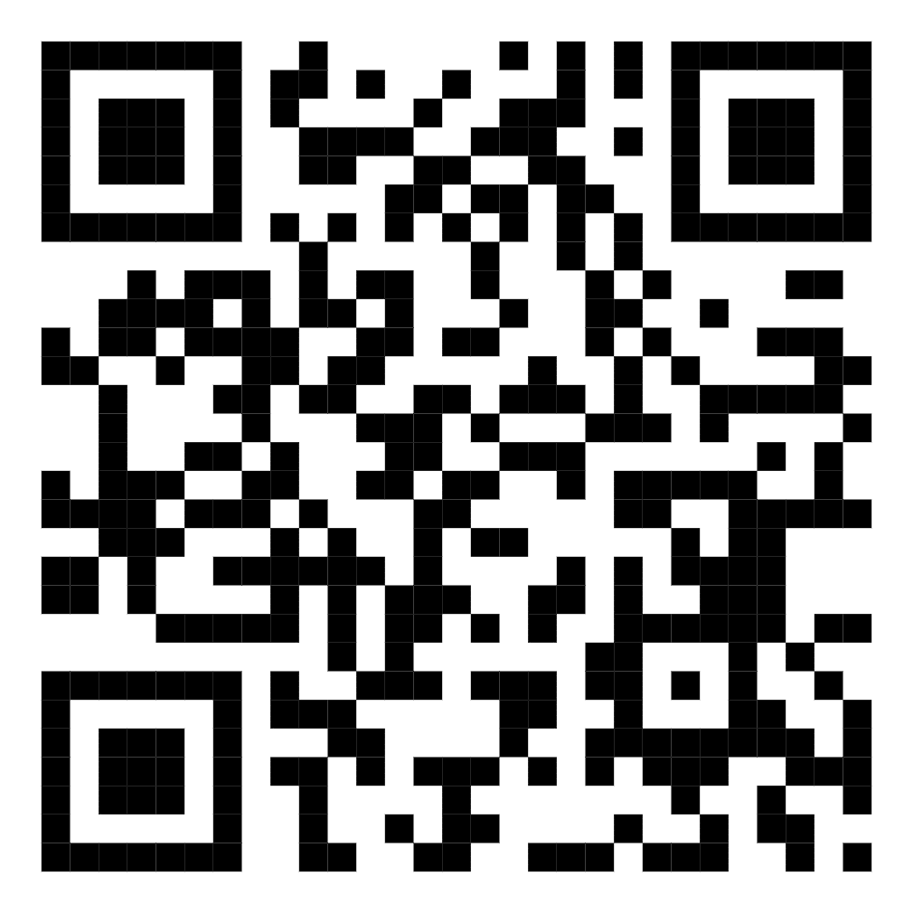
33 | Abdurashidova Xusnidaxon Sharipovna +99891 665 05 44 | Farg'ona shahar Muruvvat MFY Farg'ona ko'chasi 45-34 | 5 | 350,000 | https://maps.google.com/maps?q=40.427087,71.772431&ll=40.427087,71.772431&z=16 | 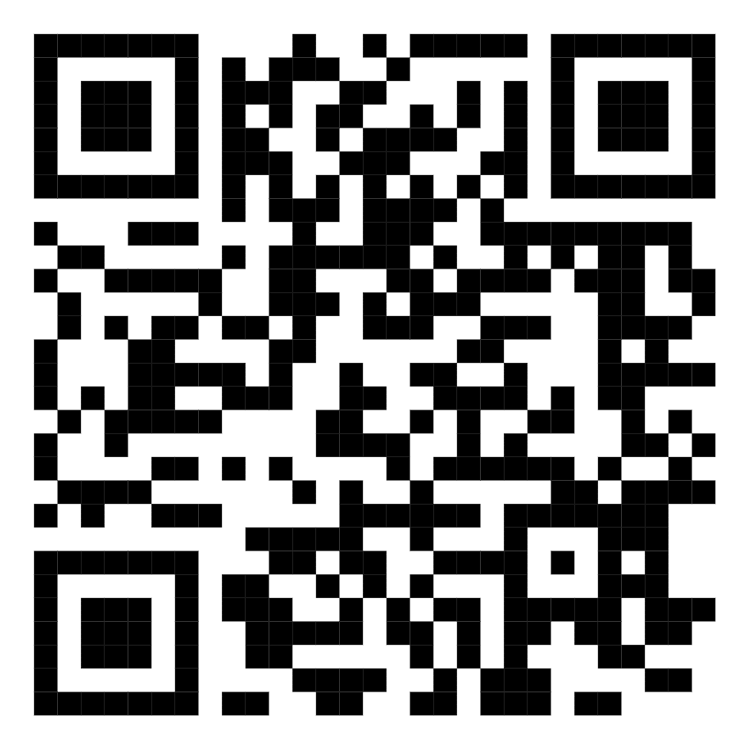
34 | Yo'ldashova Donoxon 91 665-48-53 | Farg'ona shahar Jo'ydam MFY Maorif ko'chasi 48 uy | 4 | 350,000 | https://maps.google.com/maps?q=40.431358,71.770272&ll=40.431358,71.770272&z=16 | 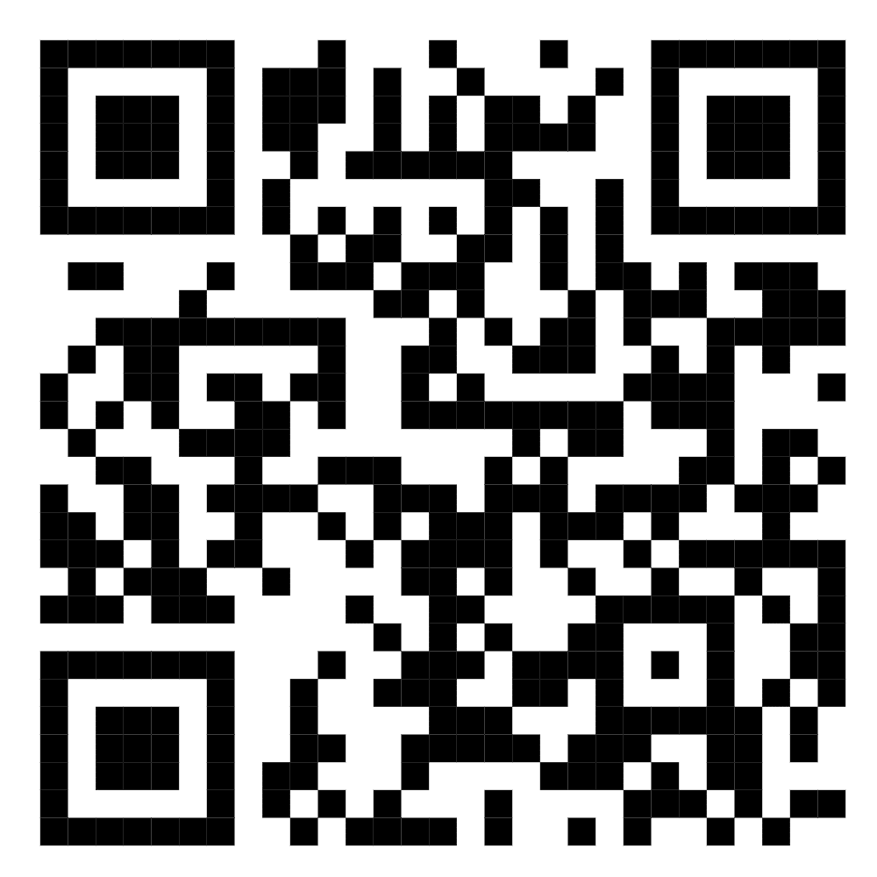
35 | Mamadaliyev Obidjon 911203575 | Farg'ona shahar, "Muruvvat MFY, Farg'ona ko'chasi 78/14 uy | 4 | 350,000 | https://maps.google.com/maps?q=40.427310,71.771618&ll=40.427310,71.771618&z=16 | 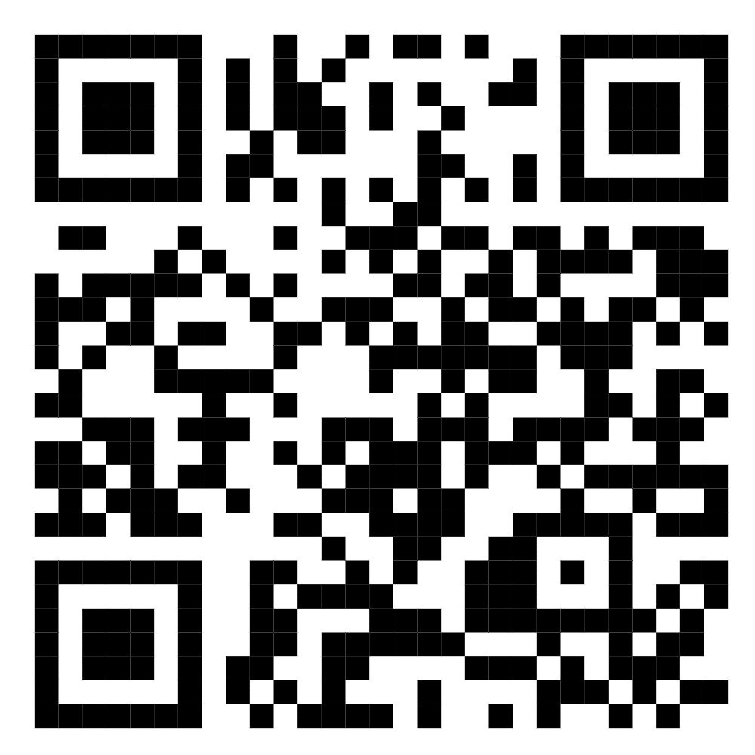
36 | Valiyev Lutfillo 90-782-68-08 | Farg'ona shahar, Farg'ona ko'chasi 70(а,б) uy | 4 | 500,000 | https://maps.google.com/maps?q=40.424818,71.768679&ll=40.424818,71.768679&z=16 | 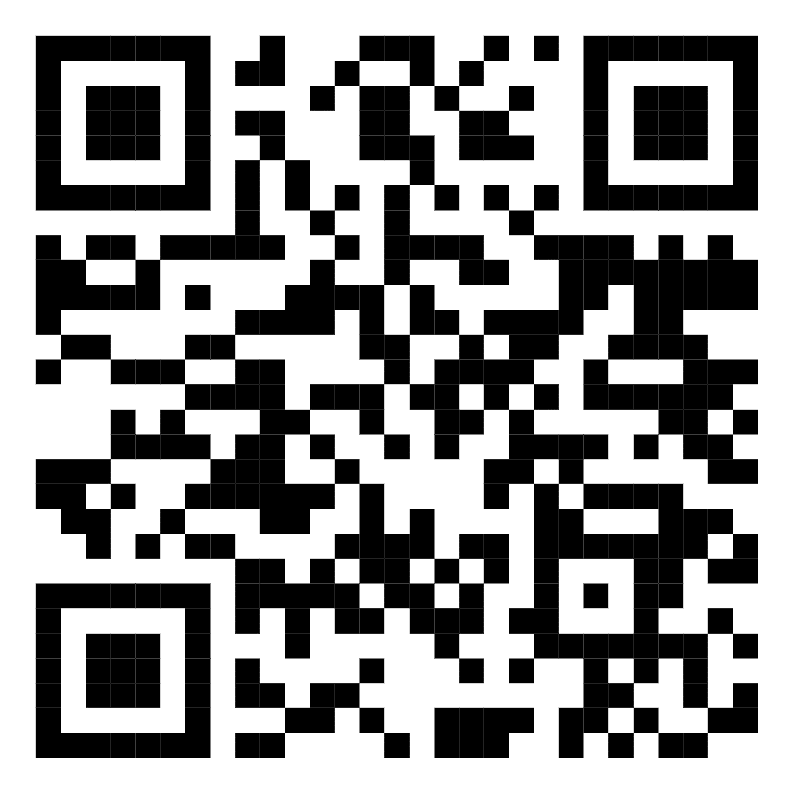
37 | Bobosobirov Murodil 998904058751 | Farg'ona shahar Ahmad Yassaviy 41a/42 | 3 | 350,000 | https://maps.google.com/maps?q=40.381570,71.801437&ll=40.381570,71.801437&z=16 | 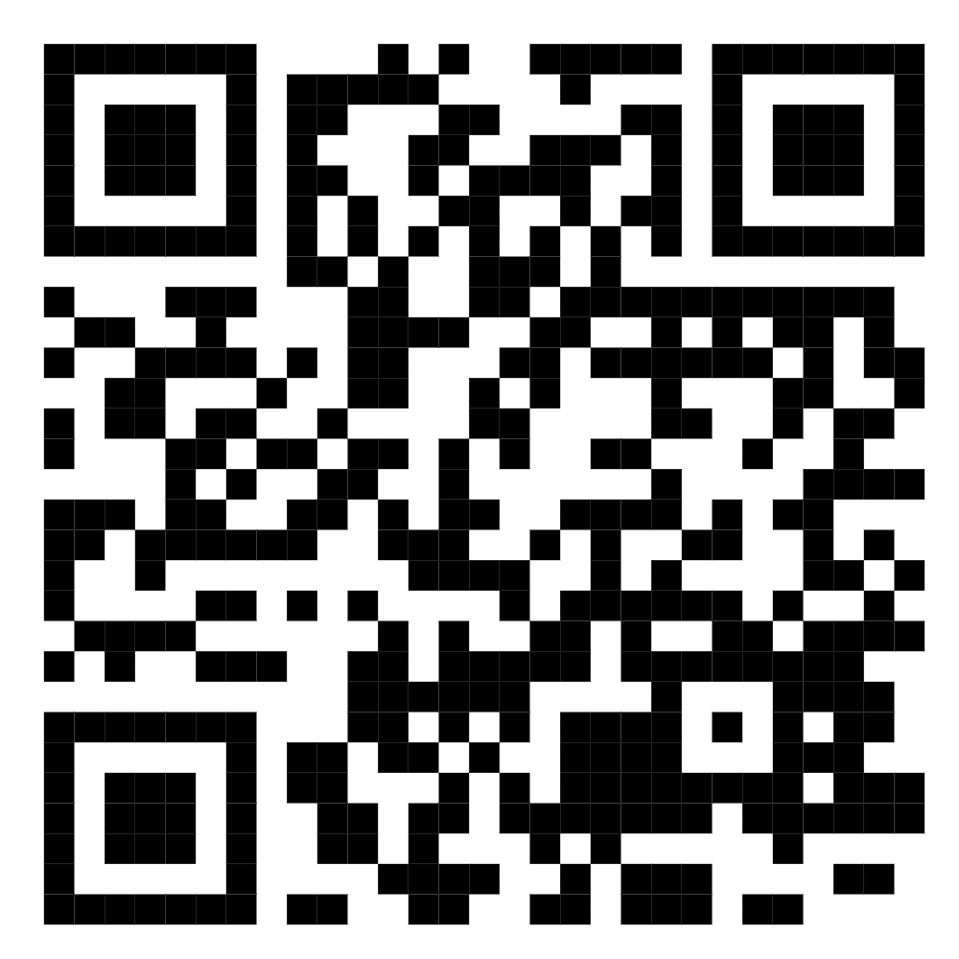
38 | Ismailov Tohir 998935079110 | Farg'ona shahar Hamkorlik MFY yangi davr ko'chasi 2-uy 12-xonadon (Drujba) | 3 | 350,000 | https://maps.google.com/maps?q=40.441488,71.763862&ll=40.441488,71.763862&z=16 | 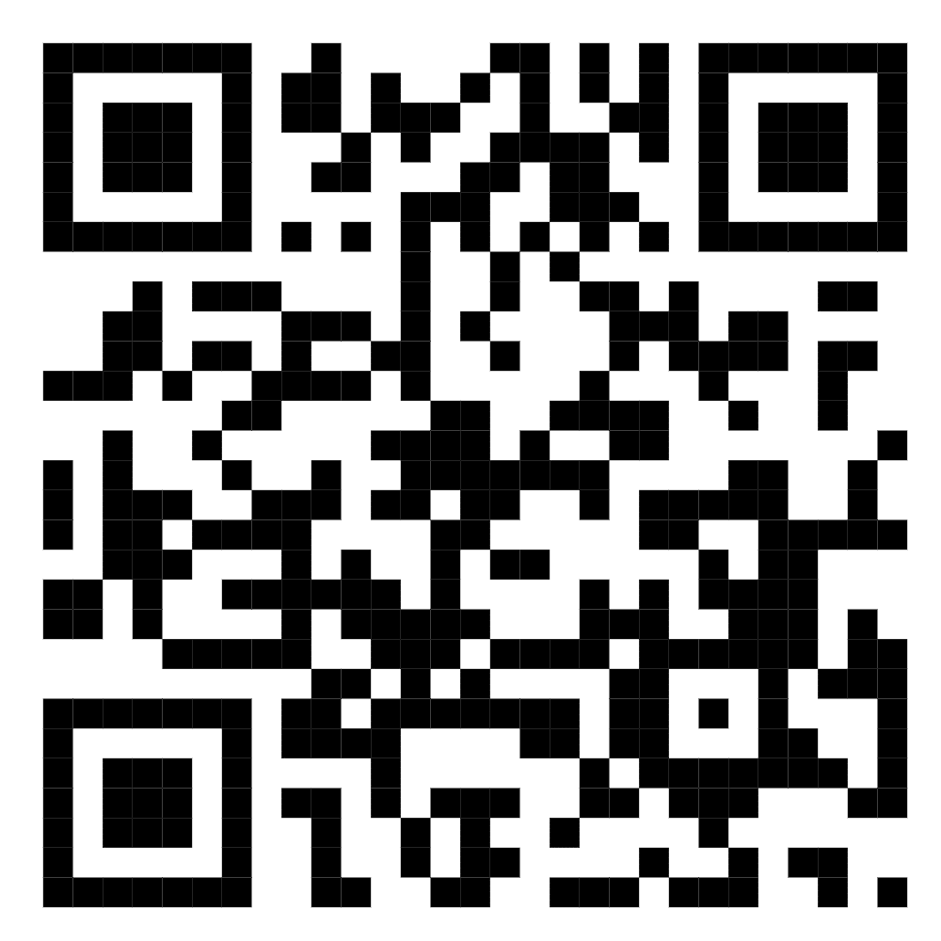
39 | Xoldorova Xosiyatxon +998886631555 | Farg'ona shahar Kimyogar MFY So'lim ko'chasi 11/83 | 5 | 350,000 | https://maps.google.com/maps?q=40.430904,71.761840&ll=40.430904,71.761840&z=16 | 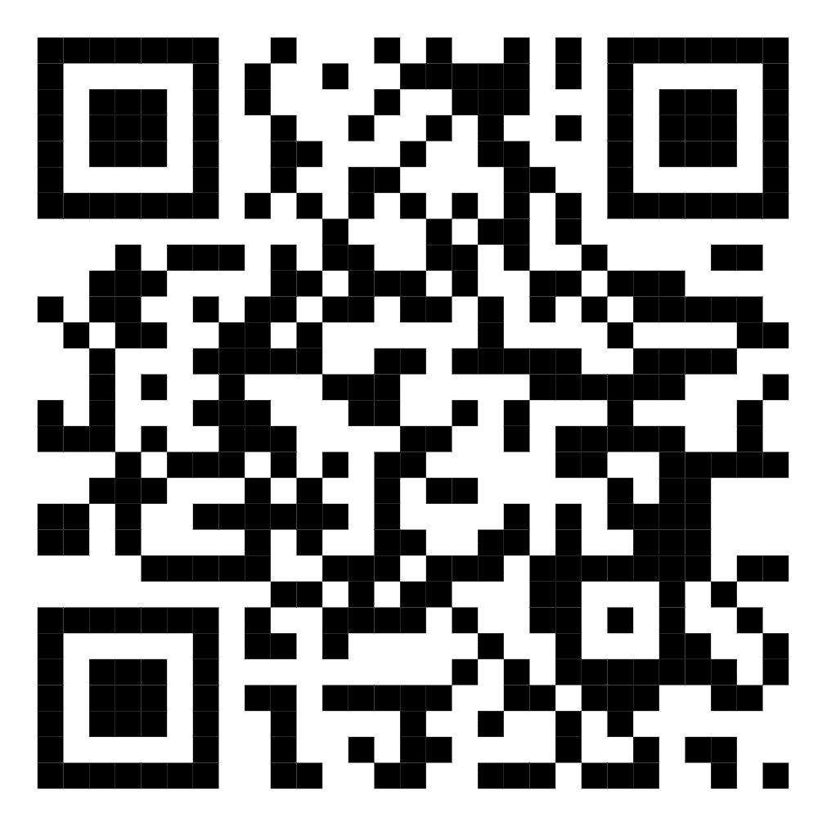
40 | Mamadaliyev Erkinjon +998912021071 | Farg'ona shahar Madaniyat MFY Nizomiy ko'chasi 7/38 | 4 | 350,000 | https://maps.google.com/maps?q=40.436126,71.769050&ll=40.436126,71.769050&z=16 | 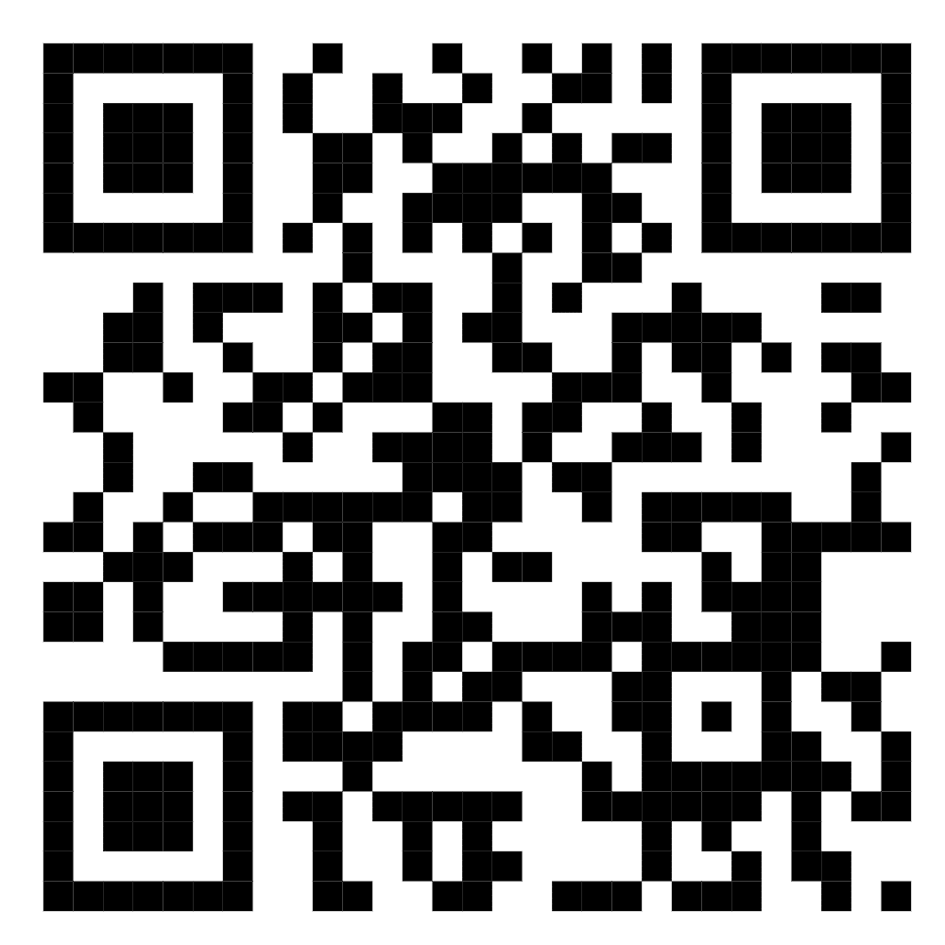
41 | Ahmedova Zulfuzar tel 976621215 | Farg'ona shahar Muruvvat MFY Farg'ona ko'chasi 70.b 29-xonadon. 1. xonali | 5(faqat qizlar uchun) | 300,000 | https://maps.google.com/maps?q=40.424862,71.768473&ll=40.424862,71.768473&z=16 | 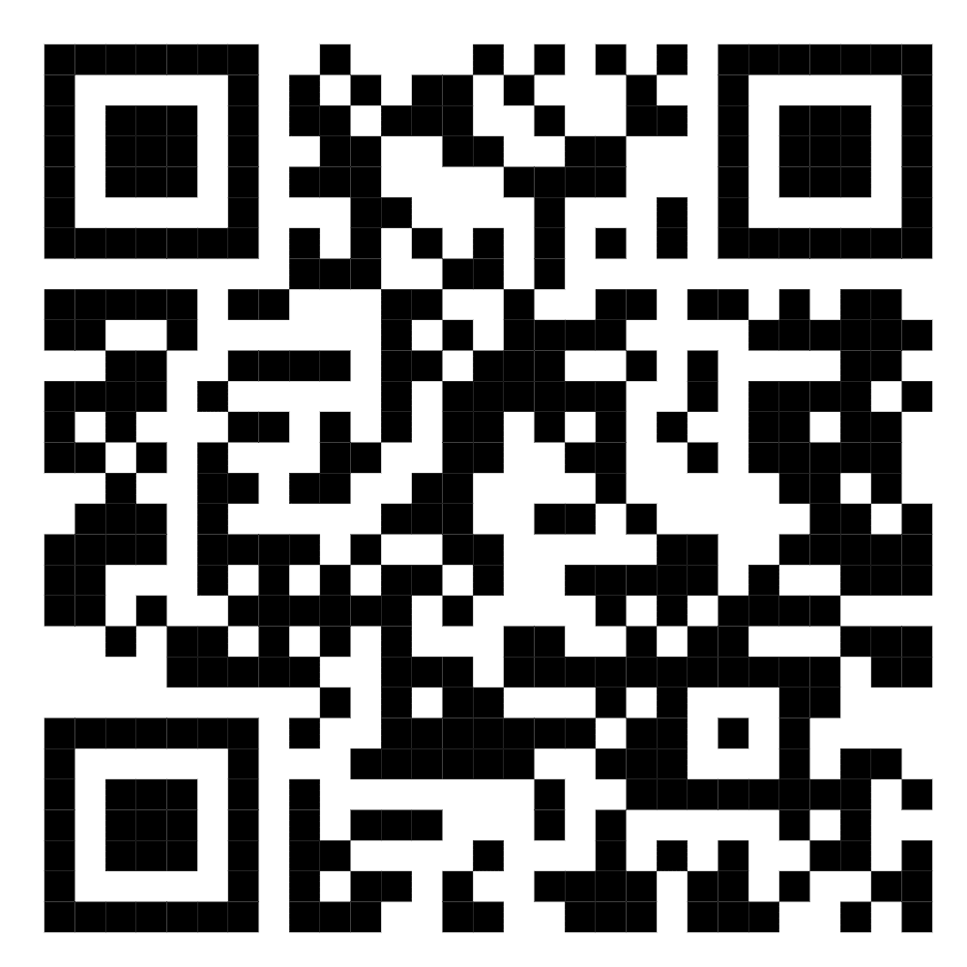
42 | Yigitaliyev Ahror 99 993-31-66 | Farg'ona shahar Tabassum MFY Marg'ilon ko'chasi 76A/48 | 5 | 250,000 | /@40.4371714,71.766451,17z/data=!3m1!4b1!4m5!3m4!1s0x38bb82b58d83fac7:0xa5a2ea599891b4b5!8m2!3d40.4371714!4d71.766451?entry=ttu | 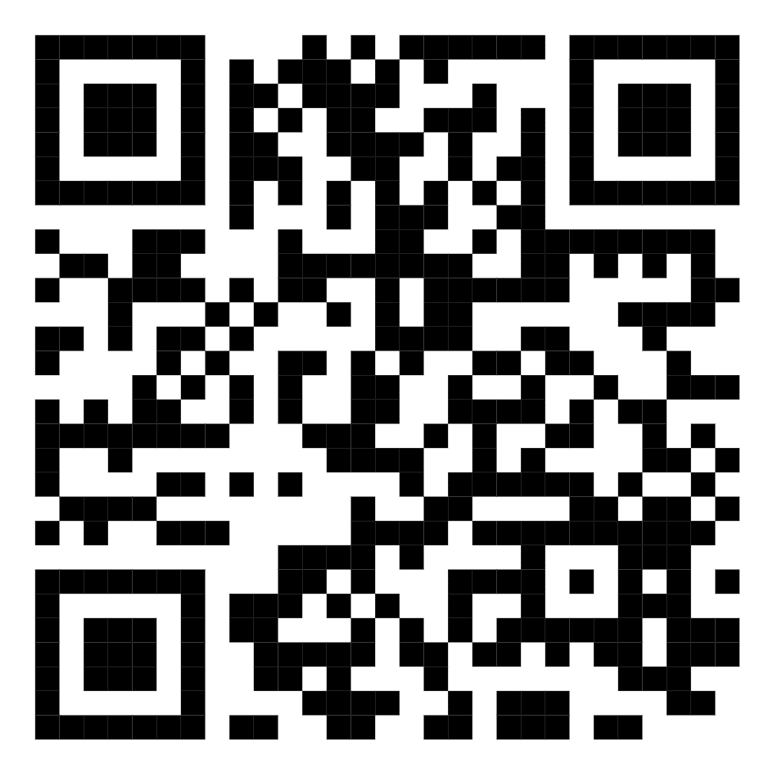
43 | Ermatov Azizbek 94 992-86-69 | Farg'ona shahar Jo‘ydam MFY Anorzor ko‘chasi 42-uy | 4 | 300,000 | https://maps.google.com/maps?q=40.424401,71.767489&ll=40.424401,71.767489&z=16 | 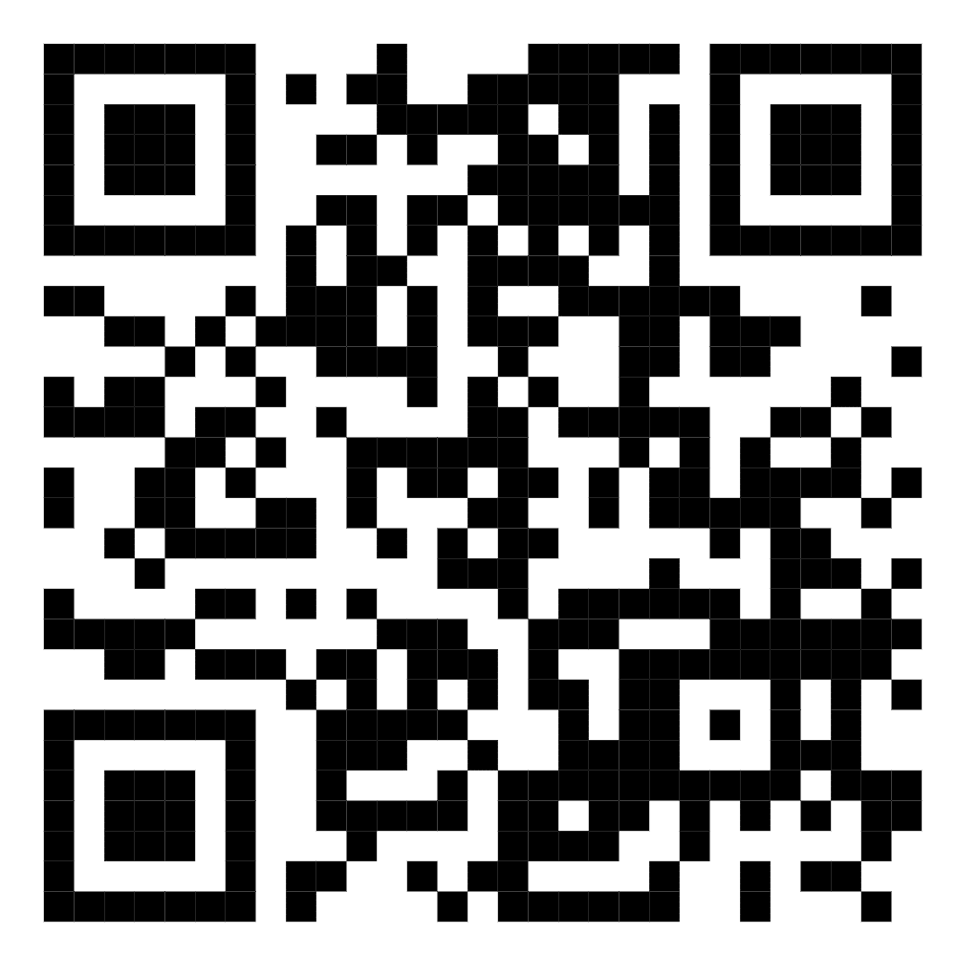
44 | Azizaxon Qoraboyeva 95 171 66 60 | Farg'ona shahar Yoshlar MFY Al-Farg'oniy ko'chasi 20-uy 9-xonadon | 14 | 250,000 | https://maps.app.goo.gl/XkZJhZsw3TNMxFZZA | 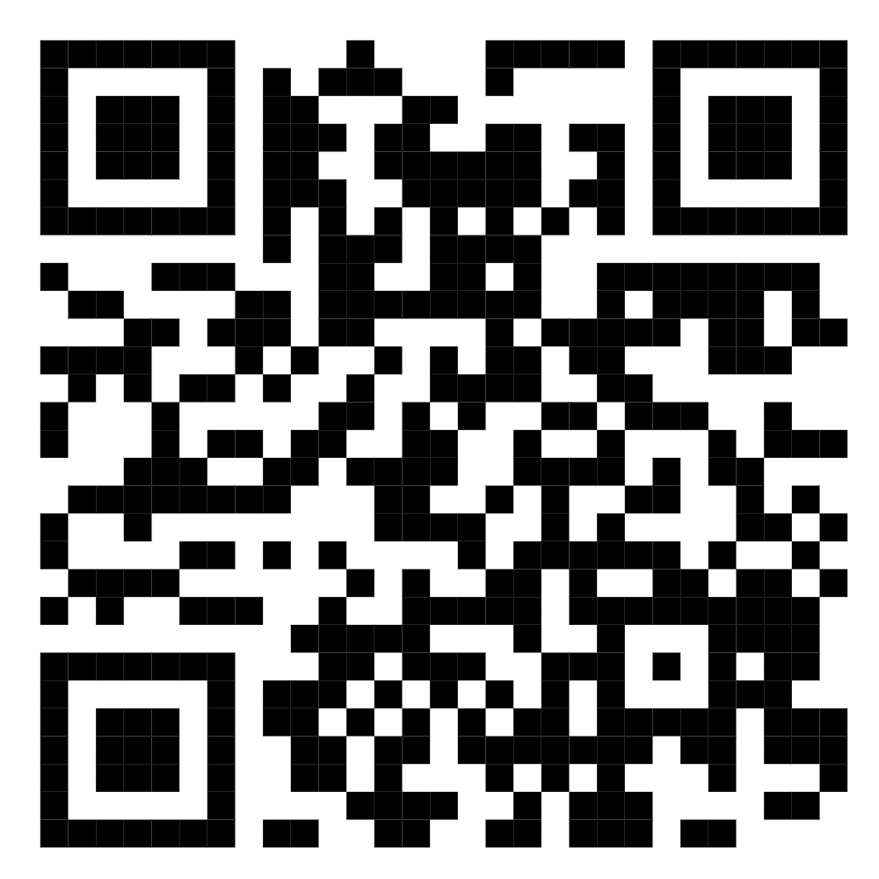
45 | Azimov Odiljon 974153040 | Farg‘ona shahar, Barkamol MFY, Yangi asr 96G ko‘chasi 1-xonadon | 16 | 300,000 | https://maps.app.goo.gl/qxnB17ncaeewrsnt5 | 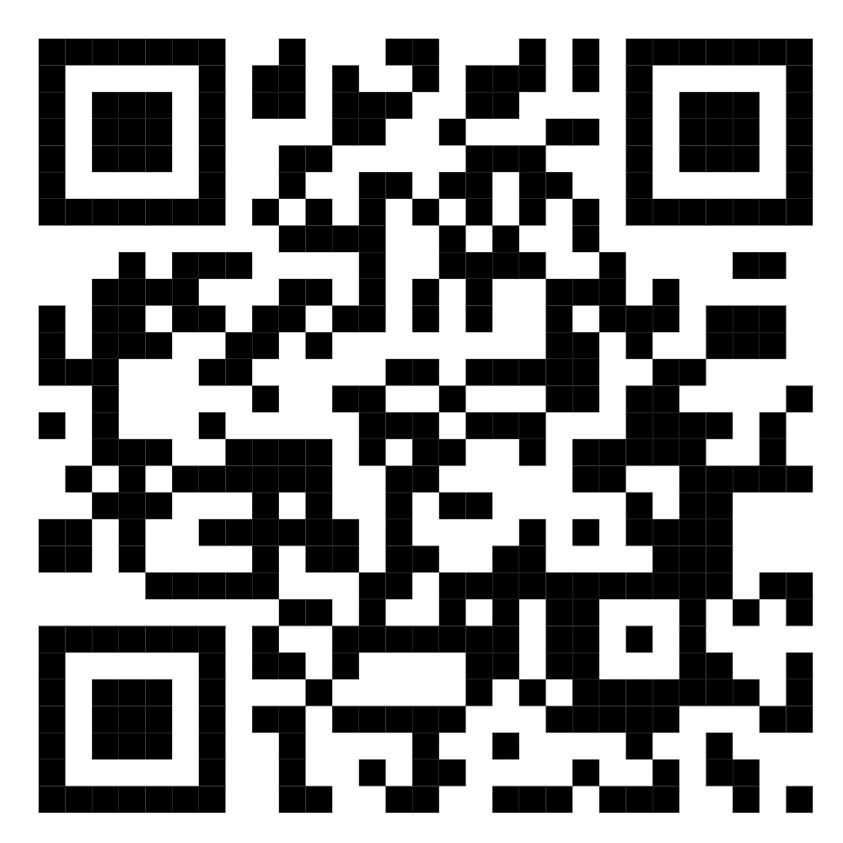
46 | Egaberdiyev Homidjon Abdulayevich | Farg'ona shahar, Kimyogar MFY, So'lim ko'chasi, 17/1-uy, 23-xonadon | 5 | 300,000 | https://maps.google.com/maps?q=40.424487,71.764711&ll=40.424487,71.764711&z=16 | 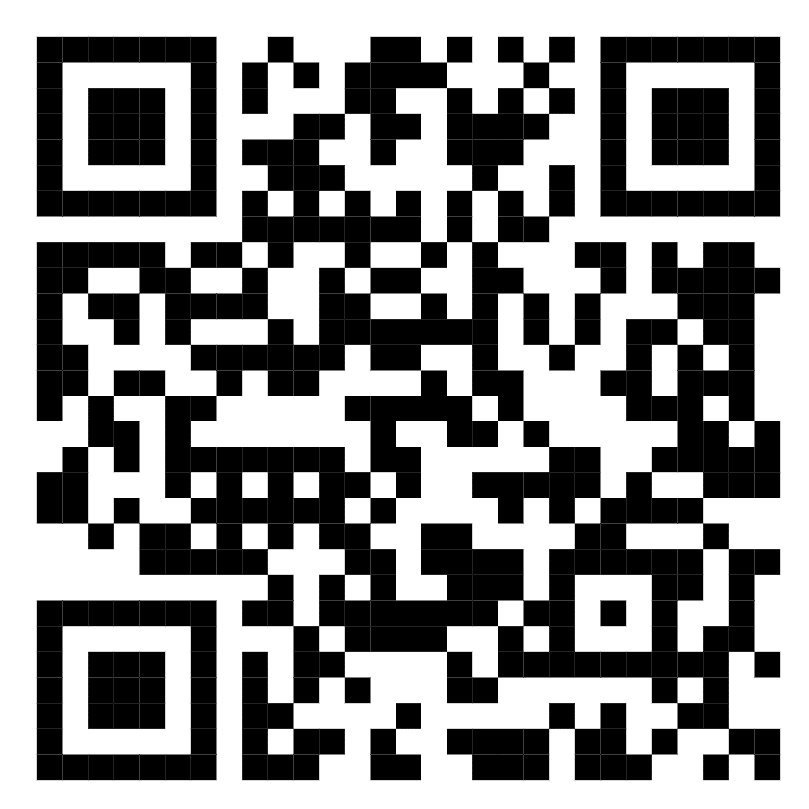
47 | Egaberdiyev Homidjon Abdulayevich | Farg'ona shahar, Kimyogar MFY, So'lim ko'chasi, 19/1-uy, 88-xonadon | 5 | 300,000 | https://maps.google.com/maps?q=40.424487,71.764711&ll=40.424487,71.764711&z=19 | 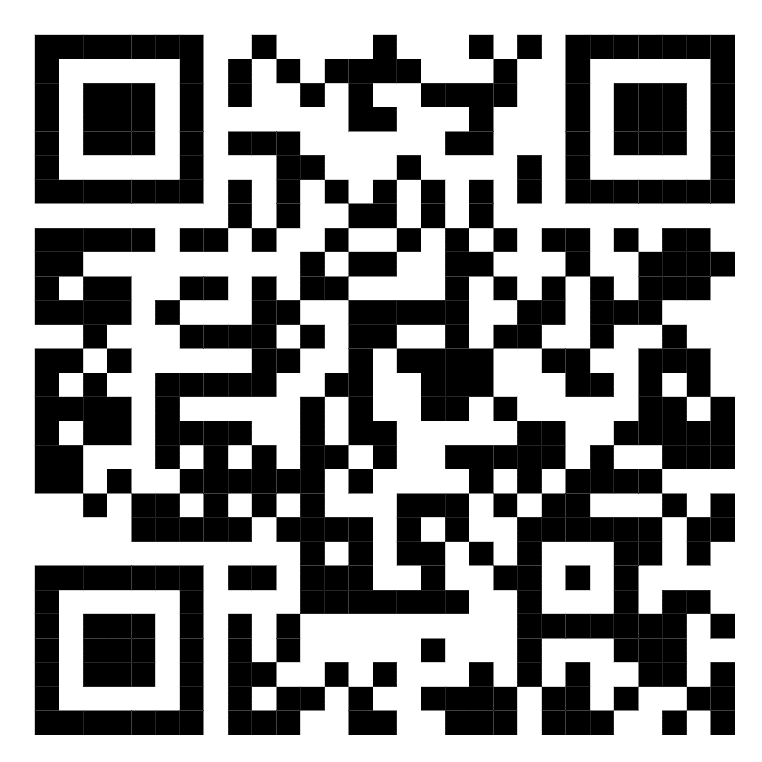
48 | Aliboyeva Shoiraxon 972083703 | Farg'ona shahar, "Muruvvat MFY, Farg'ona ko'chasi 51-uy 42-xonadon | 3 | 350000 | https://maps.google.com/maps?q=40.421961,71.774493&ll=40.421961,71.774493&z=16 | 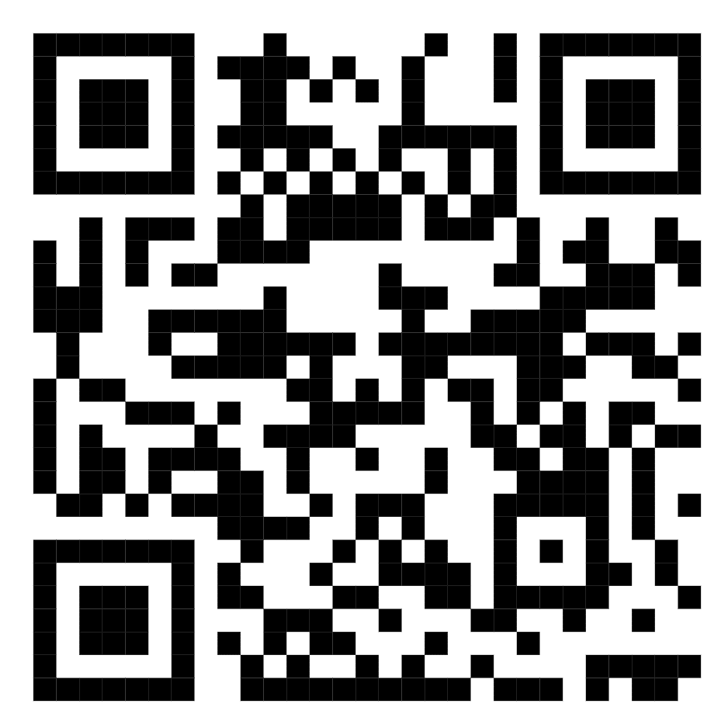
49 | O'rinboyev Sultonbek 904083703 | Farg'ona shahar, "Muruvvat MFY, Farg'ona ko'chasi 128-uy 13-xonadon | 4 | 400000 | https://maps.google.com/maps?q=40.419967,71.774577&ll=40.419967,71.774577&z=16 | 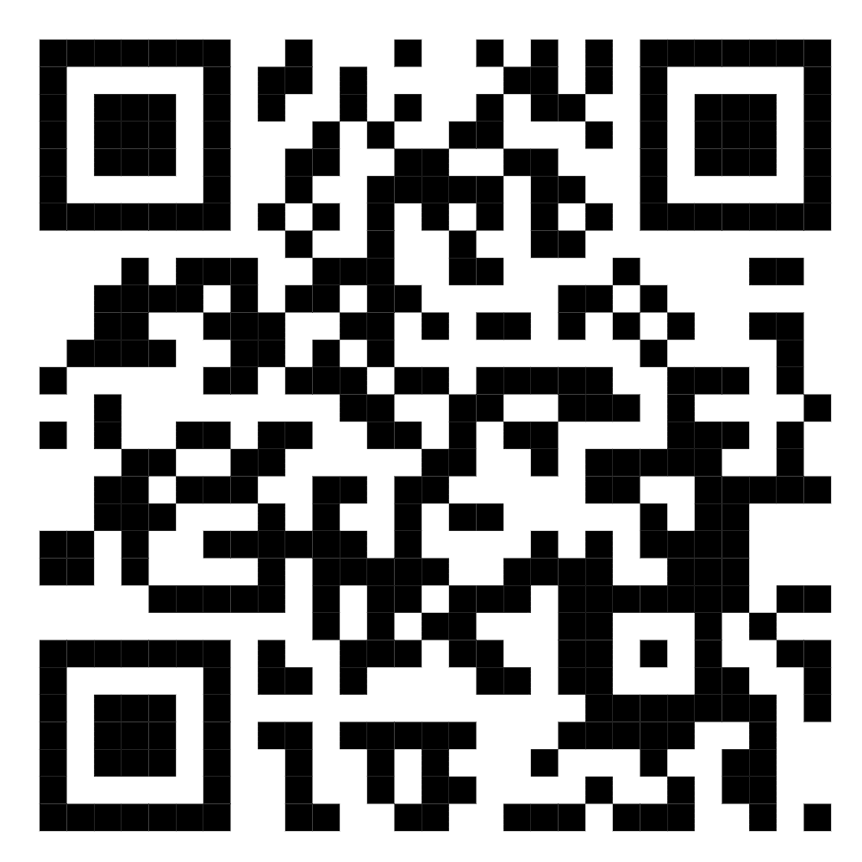
50 | Mirzayev Doniyorbek +99893 100 68 38 | Farg'ona shahar, "Muruvvat MFY Farg'ona kochasi 59/34 | 3 | 400,000 | https://maps.google.com/maps?q=40.419967,71.774577&ll=40.419967,71.774577&z=16 | 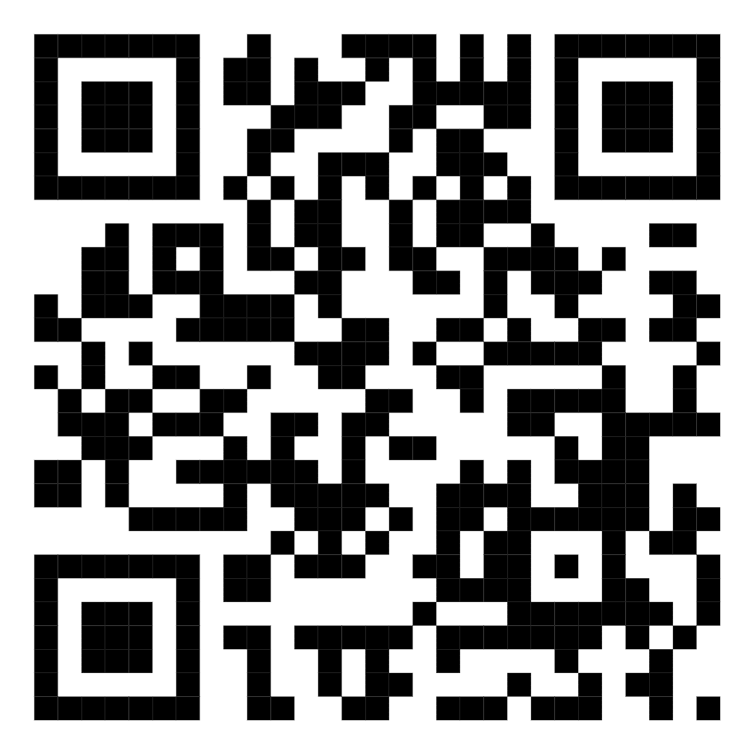
51 | Mirzayev Doniyorbek +99893 100 68 38 | Farg'ona shahar, "Muruvvat MFY Farg'ona kochasi 59/35 | 4 | 400,000 | https://maps.google.com/maps?q=40.419967,71.774577&ll=40.419967,71.774577&z=16 | 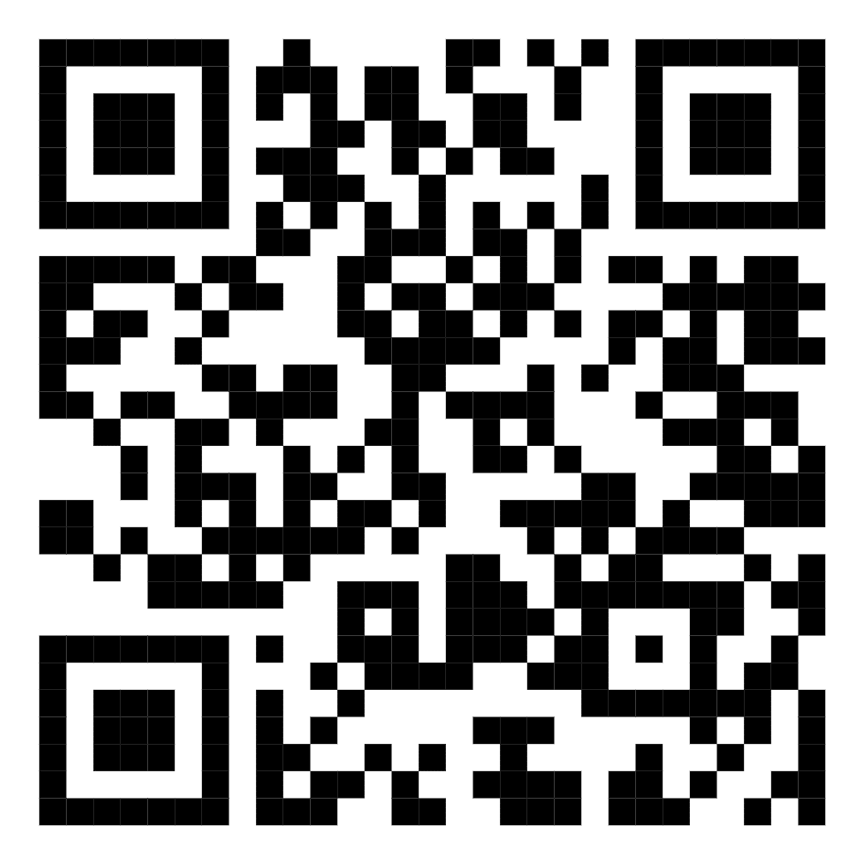
52 | Ismoilov Oxunjon 889560018 | Farg'ona shahar Madadkor MFY A.Qahhor 26 uy | 4 | 400,000 | https://maps.google.com/maps?q=40.372772,71.812292&ll=40.372772,71.812292&z=16 | 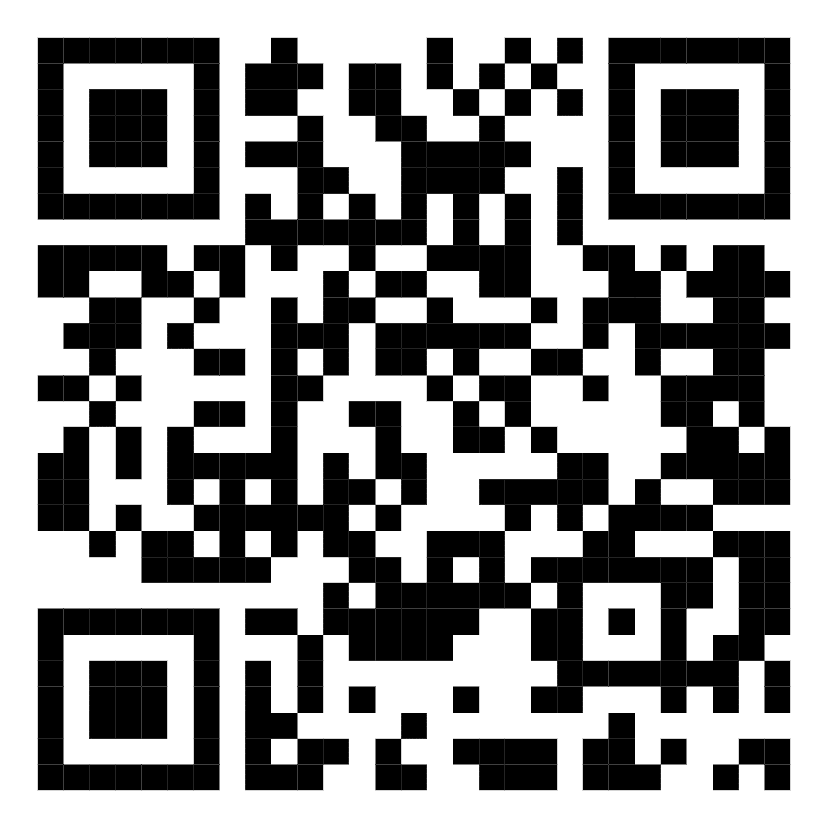
53 | Nigmatova Nigora 939714838 | Farg'ona shahar Simtepa MFY O.Sharafitdinov ko'chasi 6-uy | 8 | 350,000 | https://maps.google.com/maps?q=40.375594,71.813439&ll=40.375594,71.813439&z=16 | 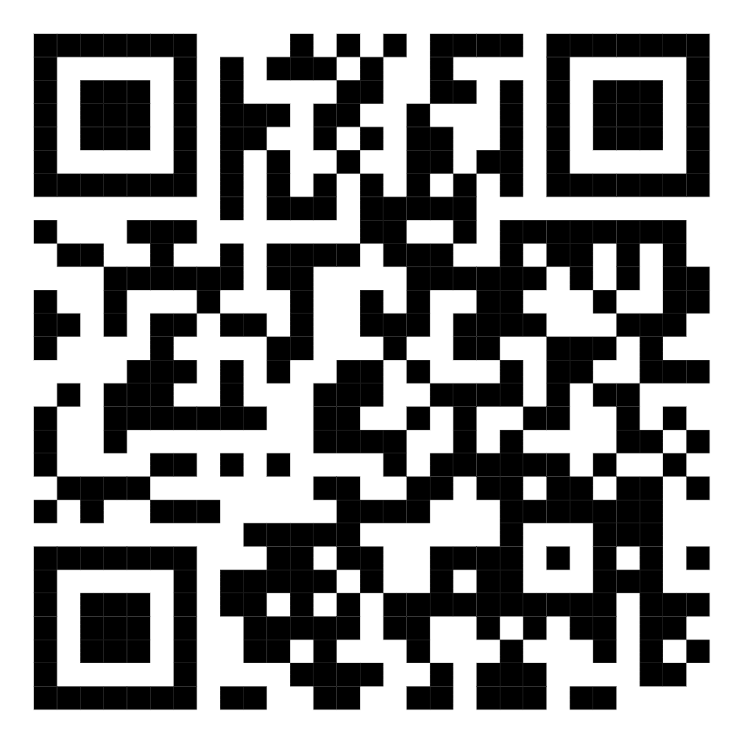
54 | Yuldashev Valijon Parpievich +998902323868 | Jo'ydam MFY Jo'ydam ko'chasi 62 A uuy | 10 | 300,000 | https://maps.google.com/maps?q=40.416053,71.773716&ll=40.416053,71.773716&z=16 | 
55 | Alimova Manzuraxon 907280363 | Farg'ona shahar, Mehribonlik MFY, Farg'ona ko'chasi 85-uy 25-xonadon | 6 | 250,000 | https://maps.google.com/maps?q=40.431654,71.771452&ll=40.431654,71.771452&z=16 | 
56 | Mingboyeva Zulhumor 886660883 | Farg‘ona shahar, Muruvvat MFY, Farg‘ona ko‘chasi 51uy, 19 xonadon | 3 | 250,000 | https://maps.google.com/maps?q=40.431654,71.771452&ll=40.431654,71.771452&z=16 | 

